Lobbying
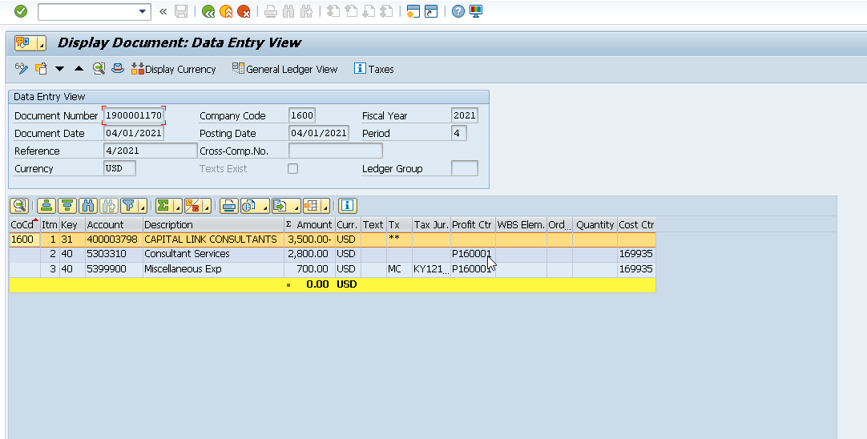
Ledger | Company Code | G/L Account | Assignment | Document Header Text | Document Number | Document type | Posting period | Posting Date | Posting Key | Line item | Company Code Currency Value | Company Code Currency Key | Item | Name | Name 2 | Offsetting Account | Reference | Text | Cost Center | Business Transaction
 |  |  |  |  |  |  |  |  |  |  | 7,350 | USD
0L | 1600 | 5399900 | 20201001 | 10/2020 | 1900004731 | KE | 10 | 2020-10-01 | 40 | 3 | 700 | USD | 0 | CAPITAL LINK CONSULTANTS |  | 400003798 | 10/2020 |  | 169935 | COIN
0L | 1600 | 5399900 | 20201101 | 11/2020 | 1900005267 | KE | 11 | 2020-11-01 | 40 | 3 | 700 | USD | 0 | CAPITAL LINK CONSULTANTS |  | 400003798 | 11/2020 |  | 169935 | COIN
0L | 1600 | 5399900 | 20201201 | 12/2020 | 1900005836 | KE | 12 | 2020-12-01 | 40 | 3 | 700 | USD | 0 | CAPITAL LINK CONSULTANTS |  | 400003798 | 12/2020 |  | 169935 | COIN
0L | 1600 | 5399900 | 20210101 | 1/2021 | 1900000018 | KE | 1 | 2021-01-01 | 40 | 3 | 700 | USD | 0 | CAPITAL LINK CONSULTANTS |  | 400003798 | 1/2021 |  | 169935 | COIN
0L | 1600 | 5399900 | 20210201 | 2/2021 | 1900000456 | KE | 2 | 2021-02-01 | 40 | 3 | 700 | USD | 0 | CAPITAL LINK CONSULTANTS |  | 400003798 | 2/2021 |  | 169935 | COIN
0L | 1600 | 5399900 | 20200401 | 4/2020 | 1900001462 | KE | 4 | 2020-04-01 | 40 | 3 | 525 | USD | 0 | CAPITAL LINK CONSULTANTS |  | 400003798 | 4/2020 |  | 169935 | COIN
0L | 1600 | 5399900 | 20200501 | 5/2020 | 1900001957 | KE | 5 | 2020-05-01 | 40 | 3 | 525 | USD | 0 | CAPITAL LINK CONSULTANTS |  | 400003798 | 5/2020 |  | 169935 | COIN
0L | 1600 | 5399900 | 20200601 | 6/2020 | 1900002407 | KE | 6 | 2020-06-01 | 40 | 3 | 525 | USD | 0 | CAPITAL LINK CONSULTANTS |  | 400003798 | 6/2020 |  | 169935 | COIN
0L | 1600 | 5399900 | 20200701 | 7/2020 | 1900003073 | KE | 7 | 2020-07-01 | 40 | 3 | 525 | USD | 0 | CAPITAL LINK CONSULTANTS |  | 400003798 | 7/2020 |  | 169935 | COIN
0L | 1600 | 5399900 | 20200801 | 8/2020 | 1900003642 | KE | 8 | 2020-08-01 | 40 | 3 | 525 | USD | 0 | CAPITAL LINK CONSULTANTS |  | 400003798 | 8/2020 |  | 169935 | COIN
0L | 1600 | 5399900 | 20200901 | 9/2020 | 1900004215 | KE | 9 | 2020-09-01 | 40 | 3 | 525 | USD | 0 | CAPITAL LINK CONSULTANTS |  | 400003798 | 9/2020 |  | 169935 | COIN
0L | 1600 | 5399900 | 20210301 | 3/2021 | 1900000773 | KE | 3 | 2021-03-01 | 40 | 3 | 700 | USD | 0 | CAPITAL LINK CONSULTANTS |  | 400003798 | 3/2021 |  | 169935 | COIN

 |  |  |  |  |  |  |  | Lobbying Expense |  |  | 7,350

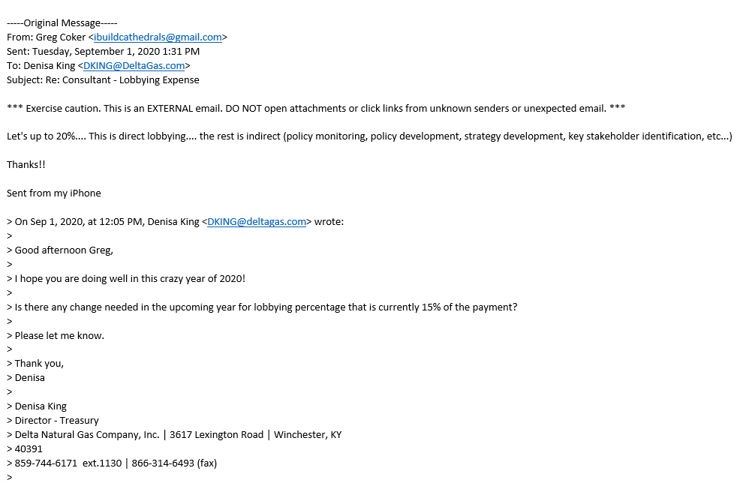
 |  | Delta pays Capital Link Consultants for Greg Coker's services. Greg is Delta's lieson to the public and press, monitors policy, helps with policy and strategy development and key stakeholder idenification.
 |  | Greg estimates 20% of his time is spent in direct lobbying.

 |  | Delta pays him $3,500 per month for his services.

 |  |  |  |  |  |  |  | Total | 3500 | 12 | 42,000
 |  |  |  |  |  |  |  | Lobbying (above) |  |  | 7,350

 |  |  |  |  |  |  |  | Remainder booked to 5303310 Consult Svc |  |  | 34,650

Pensions
Karen/Josh –

We are currently estimating that the 2022 allocated pension expense/(income) for Delta will be approximately $(880,000).

This estimate is based on the following
Pension Plan asset experience through February 28th, 2021, and expected return of 5.60% (net of expenses) for the remainder of the year
A discount rate of 3.19% based on Willis Towers Watson's BOND:Link model results reflecting market conditions as of March 31, 2021
The benefit freeze for Delta participants as of May 1, 2021.
The pension plan freeze is the primary driver of the decrease in pension expense/(income). The benefit freeze eliminates the Service Cost component of the calculation (i.e., the present value of the expected annual accrual is reduced to $0). For order of magnitude purposes, the Service Cost component for the Fiscal 2021 year is $954,135 (prior to the plan freeze). For fiscal 2022, this component is reduced to $0.

Except as noted above, the data, methods, assumptions, and plan provisions are the same as those used in the actuarial valuation of the plans for determination of the 2021 benefit cost under US GAAP as documented in the allocation exhibit provided March 31, 2021 and the year-end 2020 financial disclosures provided February 7, 2021.

Actual future results may differ significantly from this estimate. Please refer to the “Statement of Funding-related Risks of the Plan in Accordance with Actuarial Standard of Practice No. 51” report provided in April 2020 for additional details regarding the risks inherent in this estimate.

Thanks, Please let us know if you have any questions.

Jason Rohrer, FSA, EA
Director, Retirement
Willis Towers Watson
1735 Market Street | Philadelphia, PA 19102-4790
T +1 215 246 6455 | F +1 215 246 6251
Jason.rohrer@willistowerswatson.com
willistowerswatson.com
Willis Towers Watson is not authorized to provide accounting, tax or legal opinions. Any accounting, tax or legal views shared are based on our experience working with other clients and should be independently verified.

Base year periodic pension expense |  |  |  | 418,734

2022, per above |  |  |  | (880,000)

Adjustment |  |  |  | (1,298,734)

Below the line reclass |  |  |  | (490,295)

Total adjustment |  |  |  | (808,439)
Say |  |  |  | (808,529)

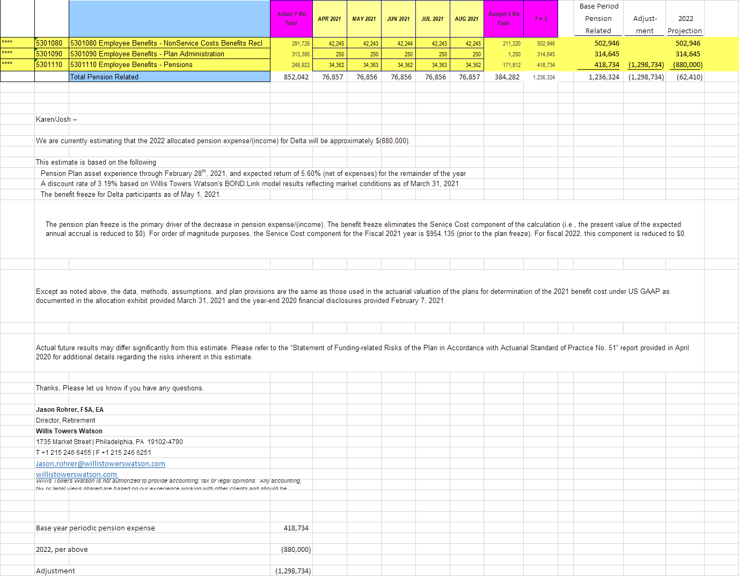

 | 1300 | 6299100 Other Expense - Non-Service Cost Benefits Reclass |  |  |  | -5,040.50
 | 1600 | 6299100 Other Expense - Non-Service Cost Benefits Reclass |  |  |  | -487,838.50 |  | Pension adj
 | 1300 | 6299101 Other Expense - Non-Service Cost OPEB |  |  |  | 2,583.65
 |  |  |  |  |  |  |  |  |  | 504670 |  |  | 504670
 |  |  |  |  |  | -490,295.35 |  |  |  | -1724 |  |  | -1724
 |  |  |  |  |  |  |  |  |  | -490369 |  | 490369 | 0 | SUMS | -389704 | (DISCLOSED IN FILING, INCORRECT)
 |  |  |  |  |  | 487,838.50 |  |  |  | -2511 |  | 2511 | 0
 |  |  |  |  |  |  |  |  |  | 2584 |  | -2584 | 0
 |  |  |  |  |  |  |  |  |  | 425808 | -1298734 |  | -872926
 |  |  |  |  |  |  |  |  |  | (7,074) |  |  | -7074
 | 425,808 |  |  |  |  |  |  |  |  | 431,384 | (1,298,734) | 490,296 | (377,054)
 | (7,074) | Entry 1 | Pen Exp | Entry 2 |  |  | 2022 Test Year
 | 418,734 | (1,298,734) | (880,000) | 490,369 | 2,511 | (2,584) | (389,704) |  | Delta | 440,109 | (1,298,734) | 490,369 | (368,256)
 |  |  |  |  |  |  |  |  | PKY | (8,725) | - | (73) | (8,798)
 |  |  |  |  |  |  |  |  |  | 431,384 | (1,298,734) | 490,296 | (377,054)

 |  |  |  |  |  |  |  |  |  | CORRECTED

 |  |  |  |  |  |  |  |  |  | 504670 |  | -504670 | 0
 |  |  |  |  |  |  |  |  |  | -1724 |  |  | -1724
 |  |  |  |  |  |  |  |  |  | -490369 |  | 490369 | 0
 |  |  |  |  |  |  |  |  |  | -2511 |  |  | -2511
 |  |  |  |  |  |  |  |  |  | 2584 |  |  | 2584
 |  |  |  |  |  |  |  |  |  | 425808 | -1305808 |  | -880000
 |  |  |  |  |  |  |  |  |  | (7,074) |  |  | -7074
 |  |  |  |  |  |  |  |  |  | 431,384 | (1,305,808) | (14,301) | -888725
 |  |  |  |  |  |  |  |  |  |  |  |  | 0
 |  |  |  |  |  |  |  |  | Delta | 440,109 | (1,305,808) | (14,301) | -880000 |  | (1,320,109) | -808439 | (511,670)
 |  |  |  |  |  |  |  |  | PKY | (8,725) | - | - | -8725
 |  |  |  |  |  |  |  |  |  | 431,384 | (1,305,808) | (14,301) | -888725

