ELCC %
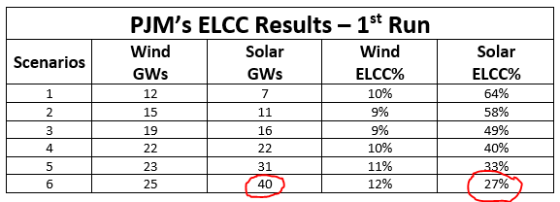
 | PJM

 | 2020 | 2021 | 2022 | 2023 | 2024 | 2025 | 2026 | 2027 | 2028 | 2029 | 2030 | 2031 | 2032 | 2033 | 2034 | 2035 | 2036 | 2037 | 2038 | 2039 | 2040 | 2041 | 2042 | 2043 | 2044 | 2045 | 2046 | 2047 | 2048 | 2049 | 2050

Wind | 10% | 9% | 9% | 10% | 12% | 12% | 12% | 12% | 12% | 12% | 12% | 12% | 12% | 12% | 12% | 12% | 12% | 12% | 12% | 12% | 12% | 12% | 12% | 12% | 12% | 12% | 12% | 12% | 12% | 12% | 12%
Solar | 64% | 64% | 64% | 64% | 64% | 58% | 49% | 40% | 40% | 40% | 27% | 27% | 27% | 27% | 27% | 27% | 27% | 27% | 27% | 27% | 27% | 27% | 27% | 27% | 27% | 27% | 27% | 27% | 27% | 27% | 27%

Storage | 80% | 80% | 80% | 80% | 80% | 80% | 80% | 80% | 80% | 80% | 80% | 80% | 80% | 80% | 80% | 80% | 80% | 80% | 80% | 80% | 80% | 80% | 80% | 80% | 80% | 80% | 80% | 80% | 80% | 80% | 80%

