LGE 128 p.1
Louisville Gas & Electric
 | a-Aug 2020 | Sep 2020 | Oct 2020 | Nov 2020 | Dec 2020 | Jan 2021 | Feb 2021 | Mar 2021 | Apr 2021 | May 2021 | Jun 2021 | Jul 2021 | Aug 2021 | Sep 2021 | Oct 2021 | Nov 2021 | Dec 2021 | Jan 2022 | Feb 2022 | Mar 2022 | Apr 2022 | May 2022 | Jun 2022 | 13 Month AVG JUN-22

Special Funds |  |  |  |  |  |  |  |  |  |  |  |  |  |  |  |  |  |  |  |  |  |  |  | Schedule B-5.2
128.1 - Other spec funds - investments-LG&E Electric | 23,635 | 24,573 | 25,512 | 26,450 | 27,388 | 31,050 | 31,957 | 32,864 | 33,772 | 34,679 | 35,586 | 36,494 | 37,401 | 38,308 | 39,216 | 40,123 | 41,030 | 44,037 | 44,977 | 45,918 | 46,859 | 47,799 | 48,740 | 42,037
128.1 - Other spec funds - investments-LG&E Gas | 10,688 | 11,113 | 11,537 | 11,961 | 12,385 | 14,041 | 14,452 | 14,862 | 15,272 | 15,683 | 16,093 | 16,503 | 16,914 | 17,324 | 17,734 | 18,144 | 18,555 | 19,914 | 20,340 | 20,765 | 21,190 | 21,616 | 22,041 | 19,010
 | 34,324 | 35,686 | 37,049 | 38,411 | 39,773 | 45,091 | 46,409 | 47,726 | 49,044 | 50,362 | 51,679 | 52,997 | 54,314 | 55,632 | 56,950 | 58,267 | 59,585 | 63,951 | 65,317 | 66,683 | 68,049 | 69,415 | 70,781 | 61,048
Change in forecasted balance from prior month |  | 1,362 | 1,362 | 1,362 | 1,362 | 5,318 | 1,318 | 1,318 | 1,318 | 1,318 | 1,318 | 1,318 | 1,318 | 1,318 | 1,318 | 1,318 | 1,318 | 4,366 | 1,366 | 1,366 | 1,366 | 1,366 | 1,366

p.6a
p.6a
Components of change in balance from prior month:
Monthly Service Cost, Interest Cost & EROA |  | (1,362) | (1,362) | (1,362) | (1,362) | 1,318 | 1,318 | 1,318 | 1,318 | 1,318 | 1,318 | 1,318 | 1,318 | 1,318 | 1,318 | 1,318 | 1,318 | 1,366 | 1,366 | 1,366 | 1,366 | 1,366 | 1,366
Annual Estimated Contribution |  |  |  |  |  | 4,000 |  |  |  |  |  |  |  |  |  |  |  | 3,000
 |  | (1,362) | (1,362) | (1,362) | (1,362) | 5,318 | 1,318 | 1,318 | 1,318 | 1,318 | 1,318 | 1,318 | 1,318 | 1,318 | 1,318 | 1,318 | 1,318 | 4,366 | 1,366 | 1,366 | 1,366 | 1,366 | 1,366

Components of account balance Aug 2020:
Actuary Report | 31,615 | p.3
Funded Status | (1,291) | p.4
Pension Contribution | 4,000 | p.11
 | 34,324

p.6
p.6
p.5
Components of Monthly Service Cost, Interest Cost & EROA:
 | 2020 | 2021 | 2022
Service Cost | 3,445 | 3,580 | 3,381
Interest Cost | 18,500 | 17,147 | 16,504
Estimated Return on Assets | (38,295) | (36,539) | (36,277)
Annual Total | (16,350) | (15,812) | (16,392)
Monthly Total | (1,362) | (1,318) | (1,366)

LGE 182 p.1a
Louisville Gas & Electric
 | a-Aug 2020 | Sep 2020 | Oct 2020 | Nov 2020 | Dec 2020 | Jan 2021 | Feb 2021 | Mar 2021 | Apr 2021 | May 2021 | Jun 2021 | Jul 2021 | Aug 2021 | Sep 2021 | Oct 2021 | Nov 2021 | Dec 2021 | Jan 2022 | Feb 2022 | Mar 2022 | Apr 2022 | May 2022 | Jun 2022 | 13 Month AVG JUN-22

Regulatory Assets
182 - Regulatory assets Pension & Postretirement-Electric | 134,609 | 133,874 | 132,819 | 131,764 | 133,021 | 131,866 | 130,711 | 129,898 | 128,743 | 127,588 | 126,776 | 125,621 | 124,466 | 123,653 | 122,498 | 121,343 | 120,530 | 119,380 | 118,231 | 117,285 | 116,135 | 114,985 | 114,040 | 120,380
182 - Regulatory assets Pension & Postretirement-Gas | 60,873 | 60,541 | 60,064 | 59,587 | 60,155 | 59,633 | 59,110 | 58,743 | 58,220 | 57,698 | 57,331 | 56,808 | 56,286 | 55,919 | 55,396 | 54,874 | 54,506 | 53,986 | 53,466 | 53,039 | 52,519 | 51,999 | 51,571 | 54,439
 | 195,483 | 194,414 | 192,883 | 191,351 | 193,176 | 191,498 | 189,821 | 188,641 | 186,964 | 185,286 | 184,106 | 182,429 | 180,752 | 179,571 | 177,894 | 176,217 | 175,037 | 173,367 | 171,697 | 170,324 | 168,654 | 166,984 | 165,611 | 174,819
Change in forecasted balance from prior month |  | (1,068) | (1,532) | (1,532) | 1,824 | (1,677) | (1,677) | (1,180) | (1,677) | (1,677) | (1,180) | (1,677) | (1,677) | (1,180) | (1,677) | (1,677) | (1,180) | (1,670) | (1,670) | (1,373) | (1,670) | (1,670) | (1,373) | Schedule B-5.2

p.9
Components of change in balance from prior month:
Monthly Amortization of Prior Service Cost and Gains/Losses |  | (1,532) | (1,532) | (1,532) | (1,532) | (1,677) | (1,677) | (1,677) | (1,677) | (1,677) | (1,677) | (1,677) | (1,677) | (1,677) | (1,677) | (1,677) | (1,677) | (1,670) | (1,670) | (1,670) | (1,670) | (1,670) | (1,670)
LKS to KU Regulatory Asset Adjustment (Qtrly) |  | 463 |  |  | 463 |  |  | 497 |  |  | 497 |  |  | 497 |  |  | 497 |  |  | 297 |  |  | 297
Estimated Settlement |  |  |  |  | 2,893
 |  | (1,068) | (1,532) | (1,532) | 1,824 | (1,677) | (1,677) | (1,180) | (1,677) | (1,677) | (1,180) | (1,677) | (1,677) | (1,180) | (1,677) | (1,677) | (1,180) | (1,670) | (1,670) | (1,373) | (1,670) | (1,670) | (1,373)

Components of account balance Aug 2020:
Actuary Report | 172,525 | p.3
Actuary Report | 3,291 | p.3a
Funded Status | 1,157 | p.4
Funded Status | 1,291 | p.4
Double Corridor Allocation Calculation (CY) | 1,298 | p.2
Double Corridor Allocation Calculation (CY) | (1,079) | p.2f
Double Corridor Allocation Calculation (CY) | (35) | p.2f
Double Corridor Allocation Calculation (PY) | 29,253 | p.7
Amortization | (11,930)
Amortization | (288)
 | 195,483

p.5a
p.5b
p.5a
p.6b
p.6c
p.6b
p.6c
p.5b
 | Jan-Aug-2020 |  | 2020 |  |  | 2021 |  |  | 2022
Components of Amortization: | Pension | PRW | Pension | PRW | Total | Pension | PRW | Total | Pension | PRW | Total
Amortization of Prior Service Cost | 5,412 | 790 | 5,412 | 790 | 6,202 | 5,192 | 538 | 5,730 | 4,858 | 538 | 5,396
p.6e
p.6e
Amortization of Gains and Losses | 12,483 | (358) | 12,483 | (358) | 12,125 | 14,087 |  | 14,087 | 14,394 |  | 14,394
p.13
p.14
p.14
Estimated impact of 2020 Settlement |  |  |  |  |  |  |  | 257 |  |  | 230
Variance in double corridor and 15-year amortization |  |  |  |  | 52 |  |  | 56 |  |  | 21
Annual Total | 17,895 | 432 |  |  | 18,380 |  |  | 20,130 |  |  | 20,041
Monthly Total | 11,930 | 288 |  |  | 1,532 |  |  | 1,677 |  |  | 1,670

p.15
p.15
p.13
 | 2020 | 2021 | 2022
LKS to KU Reg Adjustment Allocation (Annual) | 1,853 | 1,988 | 1,188
LKS to KU Regulatory Asset Adjustment (Qtrly) | 463 | 497 | 297

LGE 228.3 p.1b
Louisville Gas & Electric
 | a-Aug 2020 | Sep 2020 | Oct 2020 | Nov 2020 | Dec 2020 | Jan 2021 | Feb 2021 | Mar 2021 | Apr 2021 | May 2021 | Jun 2021 | Jul 2021 | Aug 2021 | Sep 2021 | Oct 2021 | Nov 2021 | Dec 2021 | Jan 2022 | Feb 2022 | Mar 2022 | Apr 2022 | May 2022 | Jun 2022 | 13 Month AVG JUN-22

Accumulated Provision for Post Retirement Benefits
228.2 - Accumulated prov for pen (O/LT Liab)-Electric | 3,118 | 3,097 | 3,087 | 3,081 | 3,079 | 3,077 | 3,073 | 3,070 | 3,067 | 3,061 | 3,058 | 3,051 | 3,044 | 3,039 | 3,036 | 3,033 | 3,030 | 3,030 | 3,028 | 3,029 | 3,023 | 3,025 | 3,026 | 3,035
228.2 - Accumulated prov for pen (O/LT Liab)-Gas | 781 | 802 | 812 | 818 | 820 | 822 | 826 | 829 | 832 | 838 | 841 | 848 | 855 | 860 | 863 | 866 | 869 | 869 | 871 | 870 | 876 | 874 | 873 | 864
228.6 - Accumulated prov for pen (O/LT Liab FAS 106)-Electric | 48,032 | 47,723 | 47,732 | 47,819 | 47,794 | 47,944 | 48,053 | 48,019 | 48,141 | 48,232 | 48,188 | 48,247 | 48,307 | 48,235 | 48,353 | 48,479 | 48,444 | 48,603 | 48,754 | 48,768 | 48,847 | 49,043 | 49,056 | 48,563
228.6 - Accumulated prov for pen (O/LT Liab FAS 106)-Gas | 12,023 | 12,349 | 12,562 | 12,698 | 12,738 | 12,811 | 12,925 | 12,963 | 13,064 | 13,195 | 13,243 | 13,407 | 13,570 | 13,646 | 13,751 | 13,847 | 13,886 | 13,947 | 14,015 | 14,006 | 14,147 | 14,170 | 14,162 | 13,830
Accumulated Provision for Post Retirement Benefits | 63,955 | 63,971 | 64,193 | 64,415 | 64,431 | 64,654 | 64,877 | 64,881 | 65,103 | 65,326 | 65,330 | 65,553 | 65,775 | 65,780 | 66,002 | 66,225 | 66,229 | 66,448 | 66,668 | 66,673 | 66,893 | 67,112 | 67,117 | 66,293
Change in forecasted balance from prior month |  | 16 | 222 | 222 | 16 | 223 | 223 | 4 | 223 | 223 | 4 | 223 | 223 | 4 | 223 | 223 | 4 | 219 | 219 | 5 | 219 | 219 | 5 | Schedule B-5.2
Components of change in balance from prior month:

Monthly Service Cost, Interest Cost & EROA |  | 222 | 222 | 222 | 222 | 223 | 223 | 223 | 223 | 223 | 223 | 223 | 223 | 223 | 223 | 223 | 223 | 219 | 219 | 219 | 219 | 219 | 219
Quarterly Estimated VEBA Contribution |  | (509) |  |  | (509) |  |  | (527) |  |  | (527) |  |  | (527) |  |  | (527) |  |  | (528) |  |  | (528)
Quarterly Estimated Employee Contributions |  | 303 |  |  | 303 |  |  | 308 |  |  | 308 |  |  | 308 |  |  | 308 |  |  | 314 |  |  | 314
 |  | 16 | 222 | 222 | 16 | 223 | 223 | 4 | 223 | 223 | 4 | 223 | 223 | 4 | 223 | 223 | 4 | 219 | 219 | 5 | 219 | 219 | 5
Components of account balance Aug 2020:
 | 228.6
Actuary Report | (61,065) | p.3a
Payments | 200 | p.10 |  | 228.2
VEBA Contribution | 1,966 | p.11b | ASC 712 | 3,876 | p.8 |  | 228.6 & 228.2
Funded Status | (1,157) | p.4 | RDS payment | 23 | p.12
 | (60,056) | A |  | 3,899 | A | sum of A | 63,955 | Total

p.6c
p.6c
p.5b
Components of Monthly Service Cost, Interest Cost & EROA:
 | 2020 | 2021 | 2022
Service Cost | 893 | 924 | 900
Interest Cost | 2,795 | 2,596 | 2,496
Estimated Return on Assets | (1,021) | (849) | (764)
Annual Total | 2,667 | 2,672 | 2,632
Monthly Total | 222 | 223 | 219

p.6f
p.6d
p.6d
 | 2020 | 2021 | 2022
Funding | 6,368 | 6,696 | 6,605
Quarterly | 1,592 | 1,674 | 1,651
Less: Employee Contributions | 303 | 308 | 314 | p.16
Quarterly funding | 1,289 | 1,366 | 1,337
% of Benefit Payment Eligible for Reimbursement | 0.84 | 0.84 | 0.84 | p.11c
401(h) Reimbursement Eligible Benefit Payments | 1,083 | 1,147 | 1,123
Less: Quarterly | 1,592 | 1,674 | 1,651
Net VEBA Contribution | (509) | (527) | (528)

p.2
Per Towers actuary reports dated 4/30/2020 found on pages 5-5a

LKS
Net Periodic Pension Cost |  | REG Double Corridor | REG 15 year | FIN Double Corridor | FIN 15 year
Service Cost |  | 12,496,395 | 12,496,395 | 12,496,395 | 12,496,395
Interest Cost |  | 21,952,785 | 21,952,785 | 21,952,785 | 21,952,785
Expected Return on Assets |  | (30,974,932) | (30,974,932) | (30,974,932) | (30,974,932)
Amortization of:
Prior Service Costs |  | 1,871,259 | 1,871,259 | 1,871,259 | 1,871,259
Actuarial (Gain/Loss) |  | 13,184,471 | 9,155,142 | 7,932,181 | 4,746,322
 |  |  | 128,986 |  | 101,985
Net Periodic Pension Cost |  | 18,529,978 | 14,629,635 | 13,277,688 | 10,193,814

*
p.2a
p.1a
 |  | REG |  |  |  |  | A1
Allocation of LKS Actuarial (Gain/Loss) 15yr v. DC |  | REG DC | REG 15 year | Annual Amount | Recorded YTD | Amt to be recorded | REG YTD
 |  | (a) | (b) | ( a - b ) | (e) | (f) | ( e + f )
LG&E | 48.33% | 6,372,028 | 4,424,661 | 1,947,366 | 1,298,244 | 0 | 1,298,244
b
KU (gross) | 51.52% | 6,791,996 | 4,716,282 | 2,075,714 | 1,383,809 | 0 | 1,383,809
Capital Corp | 0.14% | 18,292 | 12,702 | 5,590 | 3,727 | (0) | 3,727
PPL | 0.02% | 2,155 | 1,496 | 659 | 439 | 0 | 439

Actuarial (Gain/Loss) |  | 13,184,471 | 9,155,142 | 4,029,329 | 2,686,219 | 0 | 2,686,218

p.2i
i
j
Cost of Service Study (%)
KU - KY | 94.087% | 6,390,385 | 4,437,409 | 1,952,977 | 1,301,985 | (0) | 1,301,984
KU - VA | 4.742% | 322,076 | 223,646 | 98,430 | 65,620 | 0 | 65,620
KU - Muni | 1.171% | 79,534 | 55,228 | 24,307 | 16,204 | 0 | 16,204

 | Gross KU Actuarial (Gain/Loss) | 6,791,996 | 4,716,282 | 2,075,714 | 1,383,809 | 0 | 1,383,809

 |  |  |  | 128,986 | Reg Gross-up
 |  | LKS Reclass to KU
 |  | 81,824 | i+j
 |  | (1,383,809) | b
 |  | (1,301,985)

p.2b
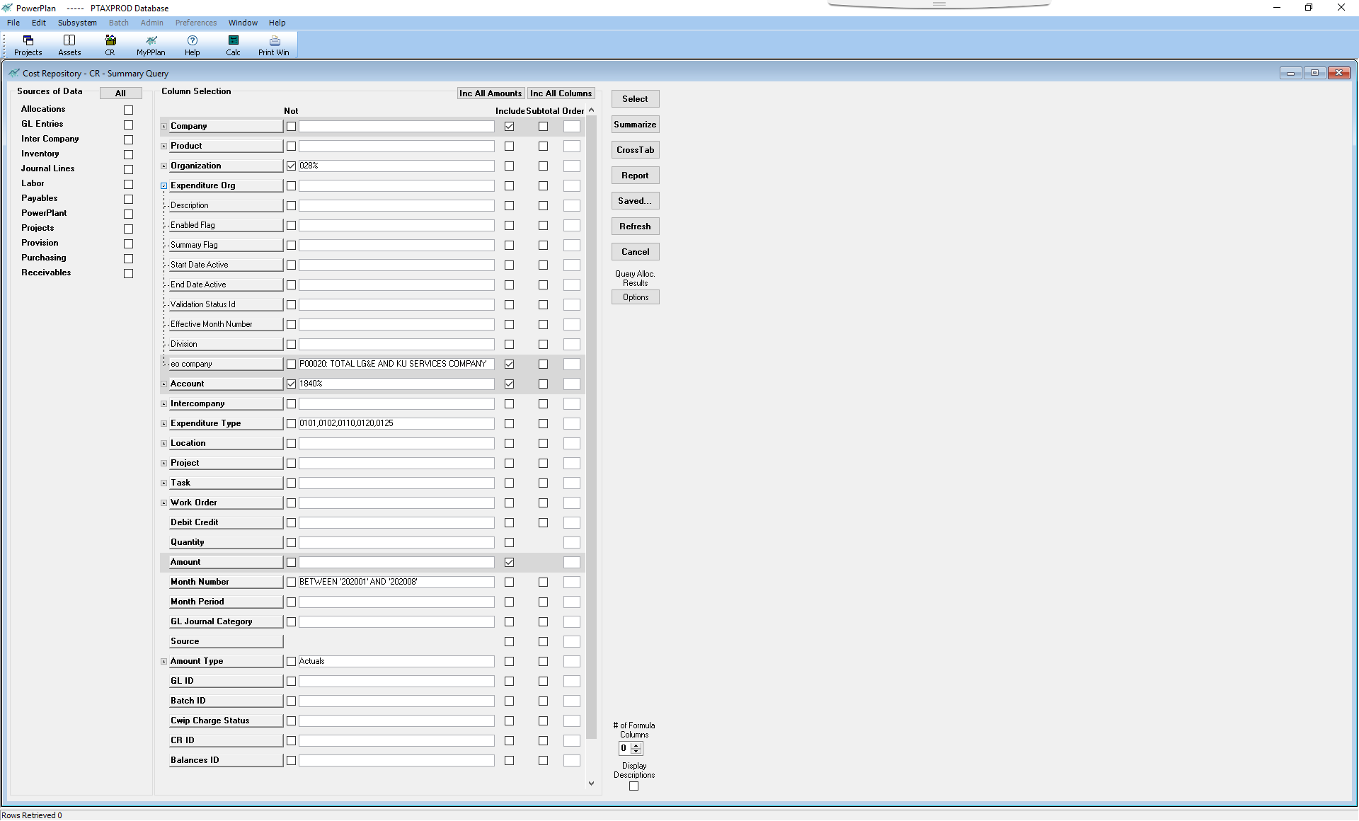
Cost Repository - Summary - Saved Queries | Servco Qrtly Labor Alloc. | eo company P00020: TOTAL LG&E AND KU SERVICES COMPANY

p.2c
Per Towers actuary reports dated 4/30/2020 found on pages 5-5a
KU |  |  | KU Labor Split
Net Periodic Pension Cost | 15 year | Double Corridor | KU - KY | KU - VA | KU - Ferc/Muni |  | Completed Qtrs
Service Cost | 6,753,092 | 6,753,092 | 94.087% | 4.742% | 1.171% |  | 2.666667
p.2i
Interest Cost | 14,624,675 | 14,624,675
Expected Return on Assets | (30,175,371) | (30,175,371)
Amortization of:
Prior Service Costs | 565,441 | 565,441 | Annual Difference | Recorded YTD | Quarterly Amount
(c)
Actuarial (Gain/Loss) | 7,949,968 | 11,124,484 | 3,174,516 | 2,116,344 | - | -New Reg. Asset
Gross up VA & MUNIs | 187,710
Net Periodic Pension Cost | (94,485) | 2,892,321

 | KU | KU | KU | KU | KU
 | NPPC Q1 15Yr | NPPC Q2 15Yr | NPPC Q3 15Yr | NPPC Q4 15Yr | NPPC
Service Cost | 1,688,273 | 1,688,273 | 1,688,273 | 1,688,273 | 6,753,092
Interest Cost | 3,656,169 | 3,656,169 | 3,656,169 | 3,656,168 | 14,624,675
Expected Return on Assets | (7,543,843) | (7,543,843) | (7,543,843) | (7,543,842) | (30,175,371)
Amortization of:
Prior Service Costs | 141,360 | 141,360 | 141,360 | 141,361 | 565,441
a
a
a
Actuarial (Gain/Loss) | 1,987,492 | 1,987,492 | 1,987,492 | 1,987,492 | 7,949,968
b
b
b
Gross up VA^ | 37,634 | 37,634 | 37,634 | 37,632 | 150,536 | -Pension Expense (Reduces New Reg Asset)
Gross up MUNIs^ | 9,293 | 9,293 | 9,293 | 9,295 | 37,174 | -Pension Expense (Reduces New Reg Asset)
Net Periodic Pension Cost | (23,622) | (23,622) | (23,622) | (23,621) | (94,485)

^ Annual difference in Actuarial Gain/Loss allocated to KU - VA & Muni |  |  |  |  | 187,710 | KU Gross Up | - | Check
 |  |  | Gross Up VA | Gross Up MUNIs | =/12*8
 |  |  | - | - | 125,140.00 | p.1a
 |  |  | 4.742% | 1.171%

 |  |  | - | -

p.2e
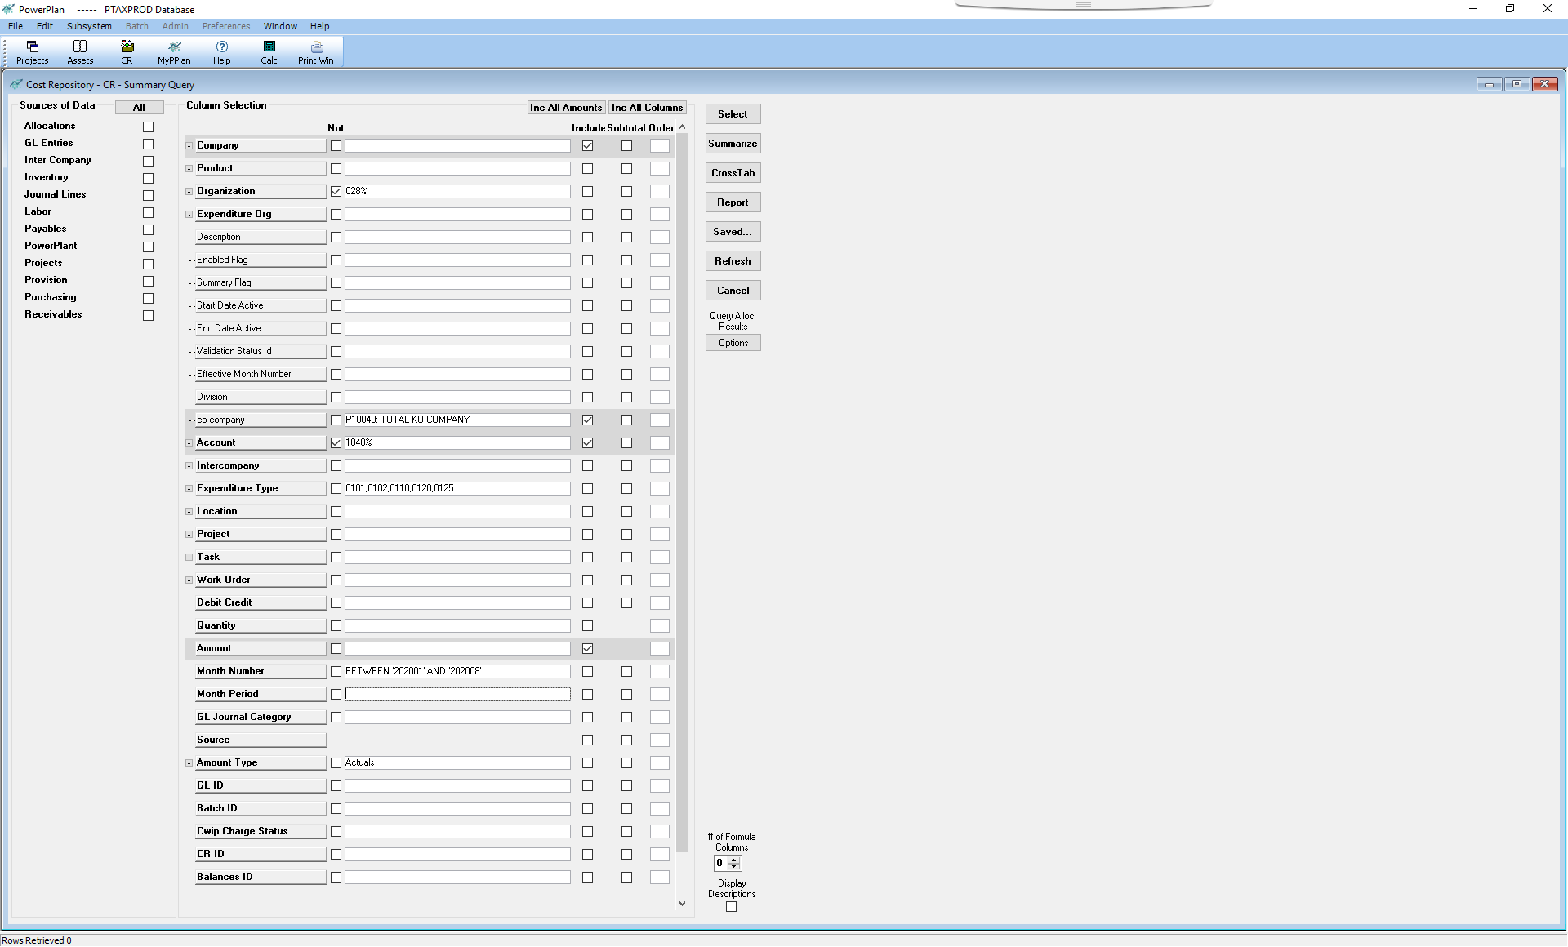
Cost Repository - Summary - Saved Queries | KU - Qrtly Labor Alloc. | eo company P10040: TOTAL KU COMPANY

p.2f
Per Towers actuary reports dated 4/30/2020 found on pages 5-5a
LGE
Net Periodic Pension Cost | 15 year | Double Corridor |  |  | Completed Qtrs
Service Cost | 3,444,990 | 3,444,990 |  |  | 2.666667
Interest Cost | 18,500,237 | 18,500,237
Expected Return on Assets | (38,294,739) | (38,294,739)
Amortization of:
Prior Service Costs | 5,412,375 | 5,412,375 | Annual Difference | Recorded YTD | Quarterly Amount
(a)
Actuarial (Gain/Loss) | 12,483,342 | 18,030,531 | 5,547,189 | 3,698,127 | - | -New Reg. Asset
p.2g
Gross up VA & MUNIs | 46,535
Net Periodic Pension Cost | 1,592,740 | 7,093,394 | 14.19% | LG&E labor Allocation to KU per C Shultz
(b)
p.1a
 |  |  | 786,980 | - Allocated to KU as New Reg Asset
 |  |  | (1,078,742) | Recorded YTD
p.2i
 |  |  | (291,762) | Remaining Allocation

 | KU - VA | 4.742% | 37,319 | KU % allocated to - VA
 | KU - Muni/TN | 1.171% | 9,216 | KU % allocated to - TN & Muni's
 |  |  | 46,535 | Gross up for VA, TN & Muni's (LG&E charging KU)
 |  |  | (28,064) | Recorded YTD - VA
 |  |  | (6,928) | Recorded YTD - TN & Muni's
 |  |  | 11,543

Note: This is entry is being recorded for LG&E labor that is being charged to KU. This labor is attributable to Trimble Cty 2 & Cane Run 7. This LG&E labor to KU needs to be grossed up for VA & the Muni's - taking them from the 15 Yr that LG&E labor is valued at to Double Corridor.

 |  |  | Quarterly Adjustment
 |  | KU - VA | 9,330 | KU % allocated to - VA
 |  | KU - Muni | 2,304 | KU % allocated to - Muni's
 |  |  | 11,634 | Gross up for VA & Muni's (LG&E charging KU) - 3 mo.

 |  |  | 196,745 | - Quarterly amount allocated to KU as New Reg Asset
 |  |  | (11,634) | - Less: Gross-up expensed by LGE

 |  |  | 185,111 | - Allocated to KU as New Reg Asset

(c)
 |  |  | Allocation YTD
 |  | KU - VA | 28,064 | KU % allocated to - VA
 |  | KU - Muni | 6,928 | KU % allocated to - Muni's
p.1a
 |  |  | 34,992 | Gross up for VA & Muni's (LG&E charging KU)

 |  |  | 786,980 | - Gross amount allocated to KU as New Reg Asset
 |  |  | (34,992) | - Less: Gross-up expensed by LGE

 |  |  | 751,988 | - Allocated to KU as New Reg Asset

p.2h
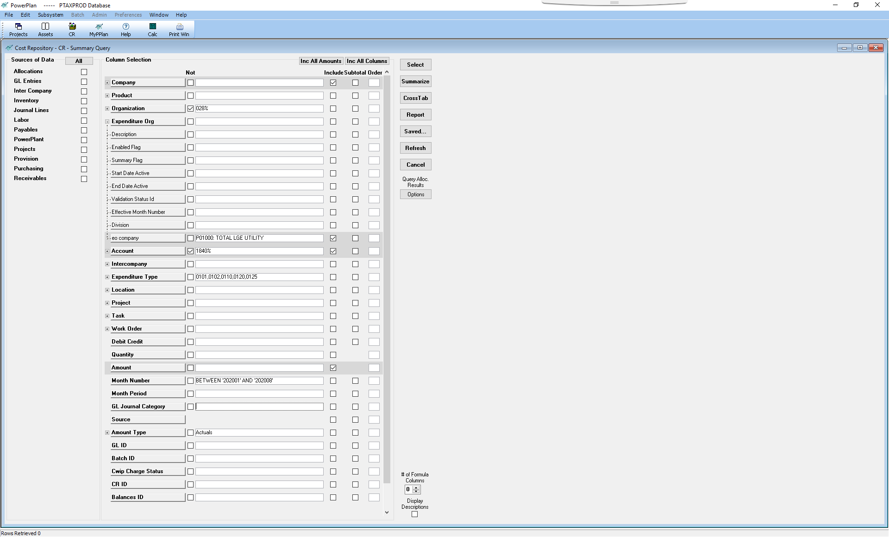
Cost Repository - Summary - Saved Queries | LGE - Qrtly Labor Alloc. | eo company P01000: TOTAL LGE UTILITY

p.2i
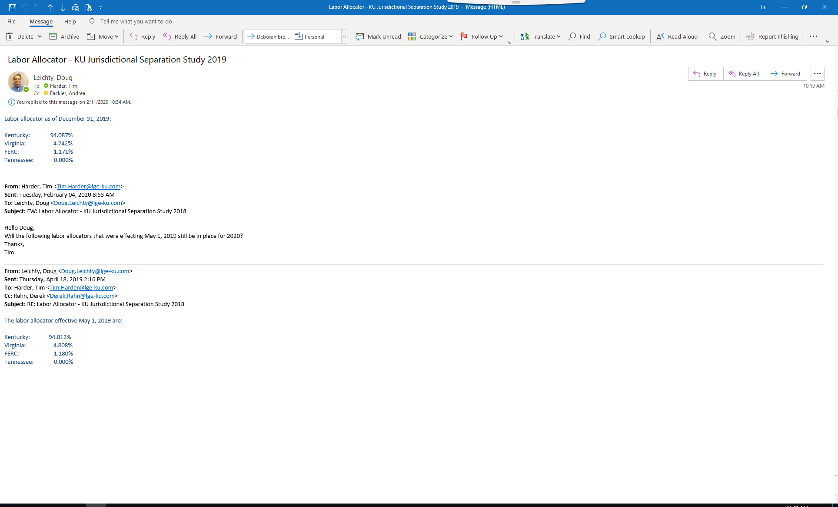

p.2,2c.2f

p.4
Qualified
 |  | LG&E |  | KU
Funded Status 12/31/2019 |  | 31,615,060 |  | 30,690,208
 |  | p.3
Funded Status 6/30/2020 |  | 30,323,606 |  | 27,539,928
p.1
 |  | p.5
Variance | A1 | 1,291,454 | A3 | 3,150,280

 |  | LG&E |  | KU
Reg Asset/AOCI 12/31/2019 |  | 172,525,021 |  | 105,042,060
 |  | p.3
Reg Asset/AOCI 6/30/2020 |  | 173,816,475 |  | 108,192,340
p.1a
 |  | p.5
Variance |  | (1,291,454) |  | (3,150,280)

Check |  | - |  | -
 |  | 4% |  | 10%

Post Retirement
 |  | LG&E |  | KU
Funded Status 12/31/2019 |  | (63,219,416) |  | (15,580,069)
 |  | p.3a
Funded Status 6/30/20 |  | (64,376,006) |  | (15,884,430)
p.1b
 |  | p.5b
Variance | B1 | 1,156,590 | B3 | 304,361

 |  | LG&E |  | KU
Reg Asset/AOCI 12/31/2019 |  | 3,290,666 |  | (34,131,728)
 |  | p.3a
Reg Asset/ AOCI 6/30/2020 |  | 4,447,256 |  | (33,827,367)
p.1a
 |  | p.5b
Variance |  | (1,156,590) |  | (304,361)
Check |  | - |  | -
 |  | -2% |  | -2%

p.7
Reg Asset/AOCI & PAA Allocation Reconciliation
 |  | LKS | LG&E |  | KU
 |  | AOCI | Reg. Asset |  | Reg. Asset
2015 LKS Reg Allocations |  | (2,397,039) | 1,067,162 |  | 1,180,412
2015 LKS FIN Allocations |  | 702,599
2015 LGE New Reg. Asset/Allocations |  |  | 4,752,518 |  | 662,358
2015 KU New Reg. Asset |  |  |  |  | 2,994,962
2015 - Non-KPSC Amortization - LGE |  |  | (71,899)
2015 - Non-KPSC Amortization - KU |  |  |  |  | (293,266)
2015 PAA Gross-up |  | 106,541

Allocation at 12/31/15 |  | (1,587,899) | 5,747,781 |  | 4,544,466

2016 LKS Reg Allocations |  | (2,145,135) | 998,775 |  | 1,010,510
2016 LKS FIN Allocations |  | (1,828,116)
2016 LGE New Reg. Asset/Allocations |  |  | 4,212,477 |  | 675,889
2016 KU New Reg. Asset |  |  |  |  | 2,900,438
2016 - Non-KPSC Amortization - LGE |  |  | (73,791)
2016 - Non-KPSC Amortization - KU |  |  |  |  | (285,490)
2016 PAA Gross-up |  | 251,227

Allocation at 12/31/16 |  | (5,309,923) | 10,885,242 |  | 8,845,813

2017 LKS Reg Allocations |  | (3,851,738) | 1,797,606 |  | 1,830,660
2017 LKS FIN Allocations |  | 1,593,958
2017 LGE New Reg. Asset/Allocations |  |  | 6,006,352 |  | 874,279
2017 KU New Reg. Asset |  |  |  |  | 3,132,976
2017 - Non-KPSC Amortization - LGE |  |  | (94,033)
2017 - Non-KPSC Amortization - KU |  |  |  |  | (304,243)
2017 PAA Gross-up |  | 130,994

Allocation at 12/31/17 |  | (7,436,709) | 18,595,167 |  | 14,379,485

2018 LKS Reg Allocations |  | (4,655,952) | 2,184,301 |  | 2,220,774
2018 LKS FIN Allocations |  | 3,097,769
2018 LGE New Reg. Asset/Allocations |  |  | 4,444,541 |  | 675,626
2018 KU New Reg. Asset |  |  |  |  | 2,992,406
2018 - Non-KPSC Amortization - LGE |  |  | (72,021)
2018 - Non-KPSC Amortization - KU |  |  |  |  | (288,259)
2018 PAA Gross-up |  | 83,959

Allocation at 12/31/18 |  | (8,910,933) | 25,151,988 |  | 19,980,032

2019 LKS Reg Allocations |  | (1,196,162) | 563,850 |  | 592,088
2019 LKS FIN Allocations |  | (388,535)
2019 LGE New Reg. Asset/Allocations |  |  | 3,576,929 |  | 623,028
2019 KU New Reg. Asset |  |  |  |  | 902,875
2019 - Non-KPSC Amortization - LGE |  |  | (39,683)
2019 - Non-KPSC Amortization - KU |  |  |  |  | (54,064)
2019 PAA Gross-up |  | 53,289

p.1a
Allocation at 12/31/19 |  | (10,442,341) | 29,253,084 |  | 22,043,959
 |  |  | 1 | IM | (3) | IM
 |  |  | 29,253,085 |  | 22,043,956

Purpose: | The purpose of this worksheet is to reconcile the regulatory assets and AOCI due to the difference in the 15 yr amortization method and double corridor amortization method.

p.8
p.8a
ASC 712 obligation as of December 10, 2019 |  |  | Discount Rate | 1.78%
Division | Liability Prior to Retiree Drug Subsidy Offset | Retiree Drug Subsidy Offset | Liability With Retiree Drug Subsidy Offset | Total Count (including LTDs, dependents, and Surviving spouses)
LG&E | $4,001,200 | $103,849 | $3,897,351 | 44
Kentucky Utilities | 4,807,386 | 120,616 | 4,686,770 | 56
Servco | 1,562,539 | 51,607 | 1,510,932 | 17
WKE | 164,755 | 4,154 | 160,601 | 2
Total | $10,535,880 | $280,226 | $10,255,654 | 119

p.8b
ASC 712 obligation as of December 31, 2019 |  |  | Discount Rate | 2.03% | 0.25% | Increase
Division | Liability Prior to Retiree Drug Subsidy Offset | Retiree Drug Subsidy Offset | Liability With Retiree Drug Subsidy Offset | Total Count (including LTDs, dependents, and Surviving spouses)
LG&E | $3,955,853 | $102,575 | $3,853,278 | 44
Kentucky Utilities | 4,761,154 | 119,414 | 4,641,740 | 56
Servco | 1,546,297 | 51,016 | 1,495,281 | 17
WKE | 163,648 | 4,127 | 159,521 | 2
Total | $10,426,952 | $277,132 | $10,149,820 | 119

p.1b
 |  |  |  | p.8c
ASC 712 obligation as of December 31, 2019 |  |  | Discount Rate | 1.90% | 0.12% | Increase
Division | Liability Prior to Retiree Drug Subsidy Offset | Retiree Drug Subsidy Offset | Liability With Retiree Drug Subsidy Offset | Total Count (including LTDs, dependents, and Surviving spouses)
LG&E | 3,979,188 | 103,230 | $3,875,958 | 44 |  | $(21,393) | LG&E
Kentucky Utilities | 4,784,954 | 120,033 | 4,664,921 | 56 |  | $(21,849) | Kentucky Utilities
Servco | 1,554,657 | 51,320 | 1,503,337 | 17 |  | $(7,595) | Servco
WKE | 164,218 | 4,141 | 160,077 | 2 |  | $(524) | WKE
Total | $10,483,017 | $278,724 | $10,204,293 | 119 |  | $(51,361) | Total

p.13
Pension Expense "Gross Up" for Jurisdictions/Entities not permitted 15 Year Amortization of Gain/Loss
Per Towers projections dated 04/30/2020

 | KU | LGE
Double Corridor | 11,124,484 | 18,030,531
15 Year Amort | 7,949,968 | 12,483,342
Difference | 3,174,516 | 5,547,189

Double Corridor Adjustments

Adjust for Labor to LKC:
Labor % Allocated to LKC
DC Adj - $ Allocated to LKC

Adjust for Labor to PPL:
Labor % Allocated to LKC
DC Adj - $ Allocated to LKC

Adjust for KU Jurisdictions:
Total Labor % Allocated to KU | 100.000% | 15.760%
Total Labor $ Allocated to KU | 3,174,516 | 874,237

Jurisdictional % - FERC/VA/TN | 5.913% | 5.913%
DC Adj - KU Jurisdictions | 187,709 | 51,694

p.1a
Total DC Adjustment | 187,709 | 51,694

Regulatory Asset Adjustments
Amortization Difference | 3,174,516 | 5,547,189
DC Adjustment | 187,709 | 51,694
Subtotal Before LKS Allocation | 2,986,807 | 5,495,495

p.1a
LKS Allocation % | 52.455% | 47.545%
LKS Reg Adjustment Allocation | 2,044,540 | 1,853,189

p.14
Pension Expense "Gross Up" for Jurisdictions/Entities not permitted 15 Year Amortization of Gain/Loss

Per Towers projections dated 6/4/2020 and 6/12/2020
 | 2021 |  | 2022
 | KU | LGE | KU | LGE
Double Corridor | 13,081,719 | 19,806,921 | 11,328,251 | 16,583,266
15 Year Amort | 9,294,413 | 14,087,137 | 9,464,855 | 14,394,416
Difference | 3,787,306 | 5,719,784 | 1,863,396 | 2,188,850

Double Corridor Adjustments

Adjust for Labor to LKC:
Labor % Allocated to LKC
DC Adj - $ Allocated to LKC

Adjust for Labor to PPL5:
Labor % Allocated to LKC
DC Adj - $ Allocated to PPL

Adjust for KU Jurisdictions:
Total Labor % Allocated to KU | 100.000% | 16.421% | 100.000% | 16.421%
Total Labor $ Allocated to KU | 3,787,306 | 939,239 | 1,863,396 | 359,429

Jurisdictional % - FERC/VA/TN | 5.913% | 5.913% | 5.913% | 5.913%
DC Adj - KU Jurisdictions | 223,943 | 55,537 | 110,183 | 21,253

Total DC Adjustment (Before PAA) | 223,943 | 55,537 | 110,183 | 21,253

p.1a
p.1a
Regulatory Asset Adjustments
Amortization Difference | 3,787,306 | 5,719,784 | 1,863,396 | 2,188,850
DC Adjustment | 223,943 | 55,537 | 110,183 | 21,253
Subtotal Before LKS Allocation | 3,563,363 | 5,664,247 | 1,753,213 | 2,167,597

LKS Allocation % | 52.731% | 47.269% | 52.731% | 47.269%
LKS Reg Adjustment Allocation | 2,340,768 | 2,098,297 | 1,437,212 | 1,288,336

p.15
Pension Expense "Gross Up" for Jurisdictions/Entities not permitted 15 Year Amortization of Gain/Loss
Per Towers projections dated 6/4/2020 and 6/12/2020 plus Estimated Settlement Cost email 9/10/2020

 | 2021 |  | 2022
 | KU | LGE | KU | LGE
Double Corridor | 13,081,719 | 19,806,921 | 11,328,251 | 16,583,266
15 Year Amort | 9,482,083 | 14,343,861 | 9,633,779 | 14,623,972
Difference | 3,599,636 | 5,463,060 | 1,694,472 | 1,959,294

Double Corridor Adjustments

Adjust for Labor to LKC:
Labor % Allocated to LKC
DC Adj - $ Allocated to LKC

Adjust for Labor to PPL5:
Labor % Allocated to LKC
DC Adj - $ Allocated to PPL

Adjust for KU Jurisdictions:
Total Labor % Allocated to KU | 100.000% | 16.421% | 100.000% | 16.421%
Total Labor $ Allocated to KU | 3,599,636 | 897,083 | 1,694,472 | 321,733

Jurisdictional % - FERC/VA/TN | 5.913% | 5.913% | 5.913% | 5.913%
DC Adj - KU Jurisdictions | 212,846 | 53,045 | 100,194 | 19,024

Total DC Adjustment (Before PAA) | 212,846 | 53,045 | 100,194 | 19,024

Regulatory Asset Adjustments
Amortization Difference | 3,599,636 | 5,463,060 | 1,694,472 | 1,959,294
DC Adjustment | 212,846 | 53,045 | 100,194 | 19,024
Subtotal Before LKS Allocation | 3,386,790 | 5,410,015 | 1,594,278 | 1,940,270

p.1a
p.1a
LKS Allocation % | 52.731% | 47.269% | 52.731% | 47.269%
LKS Reg Adjustment Allocation | 2,218,083 | 1,988,320 | 1,325,060 | 1,187,802

