EEI Invoice Allocation
Edison Electric Institute Dues
Statistics and Allocation by Company
2020
Company | 2018 Ultimate Cust.(Avg.) | % | Total Electric Revenues (from 2018 Annual Reporting) | % | As of Dec 31, 2019. Owned Capacity (MW) | % | Average | Total Dues | Regular Activities | Industry Issues | Restoration, Operations and Crisis Management | TAE Contribution | 4264000 | 9302000 | 4261000
AEP Generating Company | - | 0.00% | - | 0.00% | 1,310 | 5.53% | 1.84% | 49,784.88 | 44,170.20 | 4,417.02 | 276.38 | 921.28 | 6,890.55 | 41,973.05 | 921.28
AEP Texas Central Company | 835,000 | 15.46% | 1,071,141 | 6.69% |  | 0.00% | 7.38% | 199,462.34 | 176,967.20 | 17,696.73 | 1,107.32 | 3,691.08 | 27,606.89 | 168,164.37 | 3,691.08
AEP Texas North Company | 195,000 | 3.61% | 251,255 | 1.57% | - | 0.00% | 1.73% | 46,643.36 | 41,382.98 | 4,138.30 | 258.94 | 863.14 | 6,455.75 | 39,324.47 | 863.14
Appalachian Power Company | 958,000 | 17.73% | 3,011,126 | 18.80% | 6,629 | 27.97% | 21.50% | 581,011.35 | 515,485.54 | 51,548.60 | 3,225.51 | 10,751.70 | 80,415.76 | 489,843.89 | 10,751.70
Indiana Michigan Power Company | 594,000 | 11.00% | 2,284,143 | 14.26% | 3,624 | 15.29% | 13.52% | 365,232.72 | 324,042.19 | 32,404.25 | 2,027.61 | 6,758.69 | 50,550.59 | 307,923.45 | 6,758.69
Kentucky Power Company | 167,000 | 3.09% | 652,137 | 4.07% | 1,060 | 4.47% | 3.88% | 104,806.74 | 92,986.75 | 9,298.68 | 581.84 | 1,939.46 | 14,505.94 | 88,361.34 | 1,939.46
Kingsport Power Company | 48,000 | 0.89% | 166,299 | 1.04% |  | 0.00% | 0.64% | 17,356.36 | 15,398.93 | 1,539.89 | 96.35 | 321.18 | 2,402.23 | 14,632.94 | 321.18
Ohio Power Company | 1,477,000 | 27.34% | 3,042,297 | 19.00% |  | 0.00% | 15.45% | 417,368.32 | 370,297.99 | 37,029.83 | 2,317.04 | 7,723.46 | 57,766.49 | 351,878.36 | 7,723.46
AGR | - | 0.00% | 1,771,400 | 11.06% | 1,294 | 5.46% | 5.51% | 148,809.79 | 132,027.19 | 13,202.73 | 826.12 | 2,753.75 | 20,596.24 | 125,459.80 | 2,753.75
Public Service Company of Oklahoma | 551,000 | 10.20% | 1,576,817 | 9.85% | 3,833 | 16.17% | 12.07% | 326,222.53 | 289,431.52 | 28,943.18 | 1,811.04 | 6,036.80 | 45,151.32 | 275,034.41 | 6,036.80
Southwestern Electric Power | 535,000 | 9.90% | 1,856,183 | 11.59% | 5,169 | 21.81% | 14.44% | 390,040.94 | 346,052.56 | 34,605.28 | 2,165.33 | 7,217.76 | 53,984.21 | 328,838.97 | 7,217.76
Wheeling Power Company | 42,000 | 0.78% | 330,095 | 2.06% | 780 | 3.29% | 2.04% | 55,211.67 | 48,984.96 | 4,898.50 | 306.51 | 1,021.70 | 7,641.66 | 46,548.32 | 1,021.70
Total | 5,402,000 | 100.00% | 16,012,893 | 100.00% | 23,699 | 100.00% | 100.00% | 2,701,951.00 | 2,397,228.00 | 239,723.00 | 15,000.00 | 50,000.00 | 373,967.62 | 2,277,983.38 | 50,000.00
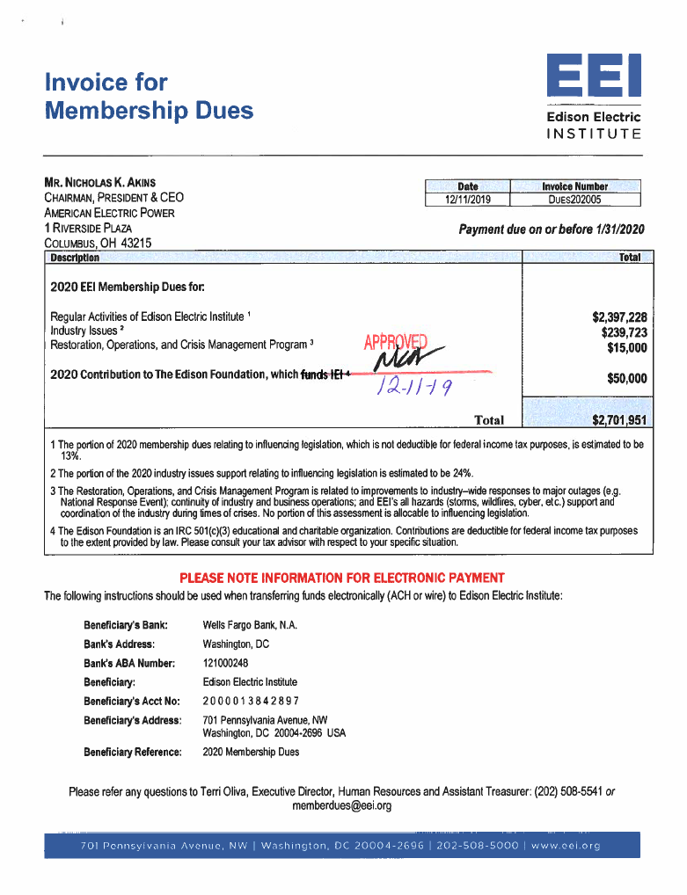
Statistics are based on the year-ended December 31, 2018.
Revenues are based on the year-ended December 31, 2018.
Owned Capacity is as of Dec 31, 2019 as required by the EEI.

Other Segment Reporting Adjustments

EEI Dues
Company | Activity | GLBU | Department | Project | Work Order | Benefitting Location | Account | Cost Component | ABM Activity | 2020 Dues
AEP Generating Company | Lobbying | 153 | 12378 | 000001121 | G0000153 | 153 | 4264000 | 953 | 289 | 6,890.55
AEP Generating Company | Dues | 153 | 12378 | 000001121 | G0000153 | 153 | 9302000 | 953 | 292 | 41,973.05
AEP Generating Company | Contributions | 153 | 12378 | 000001120 | G0000153 | 153 | 4261000 | 955 | 294 | 921.28
AEP Texas Central Company | Lobbying | 211 | 11404 | 000001121 | G0001104 | 1104 | 4264000 | 953 | 289 | 27,606.89
AEP Texas Central Company | Dues | 211 | 11404 | 000001121 | G0001104 | 1104 | 9302000 | 953 | 292 | 168,164.37
AEP Texas Central Company | Contributions | 211 | 11404 | 000001120 | UTXECON201 | 1104 | 4261000 | 955 | 294 | 3,691.08
AEP Texas North Company | Lobbying | 119 | 11404 | 000001121 | G0001515 | 1515 | 4264000 | 953 | 289 | 6,455.75
AEP Texas North Company | Dues | 119 | 11404 | 000001121 | G0001515 | 1515 | 9302000 | 953 | 292 | 39,324.47
AEP Texas North Company | Contributions | 119 | 11404 | 000001120 | G0001515 | 1515 | 4261000 | 955 | 294 | 863.14
Appalachian Power Company | Lobbying | 140 | 12358 | 000001121 | G0001082 | 1082 | 4264000 | 953 | 289 | 80,415.76
Appalachian Power Company | Dues | 140 | 12358 | 000001121 | G0001082 | 1082 | 9302000 | 953 | 292 | 489,843.89
Appalachian Power Company | Contributions | 140 | 12358 | 000001120 | G0001082 | 1082 | 4261000 | 955 | 294 | 10,751.70
Indiana Michigan Power Company | Lobbying | 170 | 12378 | 000001121 | G0001186 | 1186 | 4264000 | 953 | 289 | 50,550.59
Indiana Michigan Power Company | Dues | 170 | 12378 | 000001121 | G0001186 | 1186 | 9302000 | 953 | 292 | 307,923.45
Indiana Michigan Power Company | Contributions | 170 | 12378 | 000001120 | G0001186 | 1186 | 4261000 | 955 | 294 | 6,758.69
Kentucky Power Company | Lobbying | 110 | 11439 | 000001121 | G0001241 | 1241 | 4264000 | 953 | 289 | 14,505.94
Kentucky Power Company | Dues | 110 | 11439 | 000001121 | G0001241 | 1241 | 9302000 | 953 | 292 | 88,361.34
Kentucky Power Company | Contributions | 110 | 11439 | 000001120 | G0001241 | 1241 | 4261000 | 955 | 294 | 1,939.46
Kingsport Power Company | Lobbying | 230 | 12358 | 000001121 | G0001239 | 1239 | 4264000 | 953 | 289 | 2,402.23
Kingsport Power Company | Dues | 230 | 12358 | 000001121 | G0001239 | 1239 | 9302000 | 953 | 292 | 14,632.94
Kingsport Power Company | Contributions | 230 | 12358 | 000001120 | G0001239 | 1239 | 4261000 | 955 | 294 | 321.18
Ohio Power Company | Lobbying | 250 | 12377 | 000001121 | G0001354 | 1354 | 4264000 | 953 | 289 | 57,766.49
Ohio Power Company | Dues | 250 | 12377 | 000001121 | G0001354 | 1354 | 9302000 | 953 | 292 | 351,878.36
Ohio Power Company | Contributions | 250 | 12377 | 000001120 | G0001354 | 1354 | 4261000 | 955 | 294 | 7,723.46
AGR | Lobbying | 181 | 12354 | 000001121 | G0001354 | 1354 | 4264000 | 953 | 289 | 20,596.24
AGR | Dues | 181 | 12354 | 000001121 | G0001354 | 1354 | 9302000 | 953 | 292 | 125,459.80
AGR | Contributions | 181 | 12354 | 000001120 | G0001354 | 1354 | 4261000 | 955 | 294 | 2,753.75
Public Service Company of Oklahoma | Lobbying | 167 | 10188 | 000001121 | G0001059 | 1059 | 4264000 | 953 | 289 | 45,151.32
Public Service Company of Oklahoma | Dues | 167 | 10188 | 000001121 | G0001059 | 1059 | 9302000 | 953 | 292 | 275,034.41
Public Service Company of Oklahoma | Contributions | 167 | 10188 | 000001120 | G0001059 | 1059 | 4261000 | 955 | 294 | 6,036.80
Southwestern Electric Power | Lobbying | 159 | 12415 | 000001121 | G0001445 | 1445 | 4264000 | 953 | 289 | 53,984.21
Southwestern Electric Power | Dues | 159 | 12415 | 000001121 | G0001445 | 1445 | 9302000 | 953 | 292 | 328,838.97
Southwestern Electric Power | Contributions | 159 | 12415 | 000001120 | G0001445 | 1445 | 4261000 | 955 | 294 | 7,217.76
Wheeling Power Company | Lobbying | 210 | 12358 | 000001121 | G0001514 | 1514 | 4264000 | 953 | 289 | 7,641.66
Wheeling Power Company | Dues | 210 | 12358 | 000001121 | G0001514 | 1514 | 9302000 | 953 | 292 | 46,548.32
Wheeling Power Company | Contributions | 210 | 12358 | 000001120 | G0001514 | 1514 | 4261000 | 955 | 294 | 1,021.70
GRAND TOTAL |  |  |  |  |  |  |  |  |  | 2,701,951.00

