Demolition Study

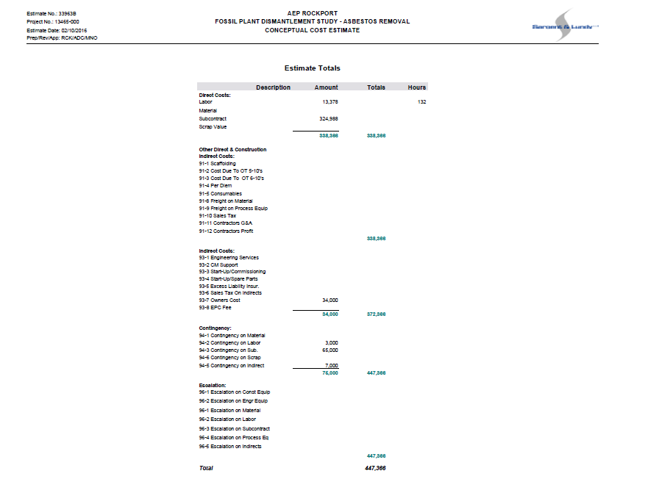
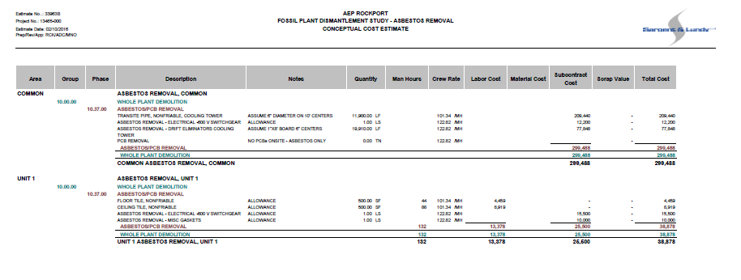
Exhibit 2, page 3 | Exhibit 2, page 4

