2014-00396 BRR
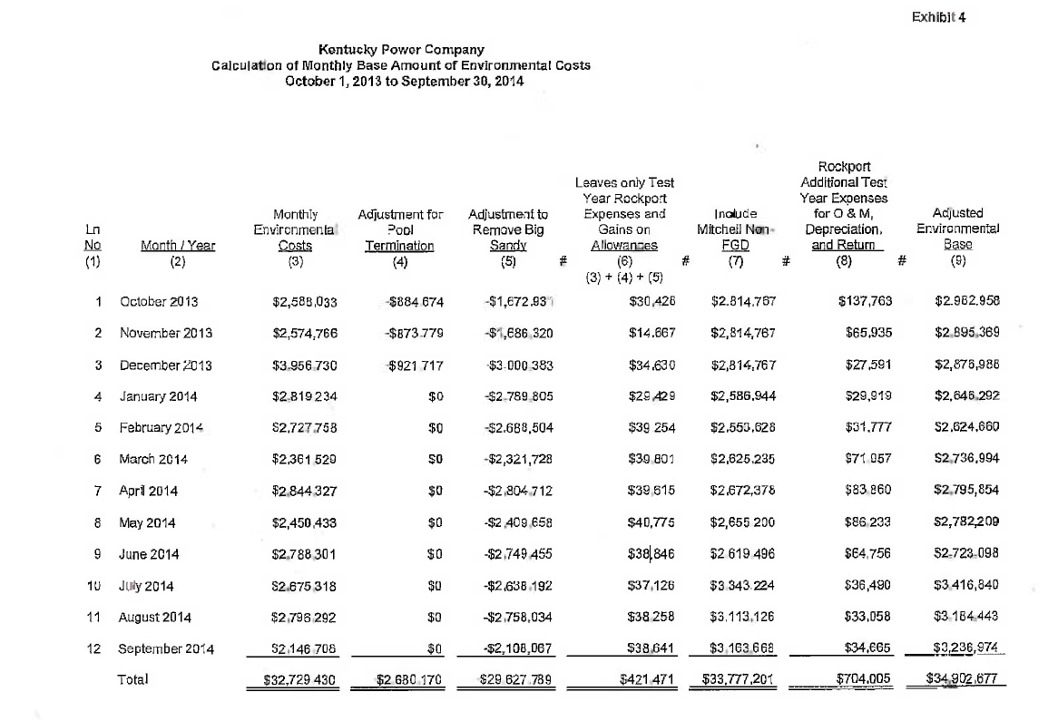
ES BRR as Approved in Case No. 2014-00396
By Order Dated June 22, 2015
Approving Settlement Agreement Exhibit 4

 |  |  | Monthly Environmental Costs | Adjustment for Pool Termination | Adjustment to Remove Big Sandy | Leaves only Test Year Rockport Expenses and Gains on Allowances | Include Mitchell Non-FGD | Rockport Additional Test Year Expenses for O & M, Depreciation, and Return |  | Gains on Allowances Isolated | Column (6) Less Gains on Allowances
Ln
No |  | Month / Year |  |  |  |  |  |  | Adjusted Environmental Base |  |  | Rockport BRR
(1) |  | (2) | (3) | (4) | (5) | (6) | (7) | (8) | (9)
 |  |  |  |  |  | (3) + (4) + (5)

1 |  | October 2013 | $2,588,033 | -$884,674 | -$1,672,931 | $30,428 | $2,814,767 | $137,763 | $2,982,958 | $0 | $30,428 | $168,192
2 |  | November 2013 | $2,574,766 | -$873,779 | -$1,686,320 | $14,667 | $2,814,767 | $65,935 | $2,895,369 | $0 | $14,667 | $80,602
3 |  | December 2013 | $3,956,730 | -$921,717 | -$3,000,383 | $34,630 | $2,814,767 | $27,591 | $2,876,988 | $0 | $34,630 | $62,221
4 |  | January 2014 | $2,819,234 | $0 | -$2,789,805 | $29,429 | $2,586,944 | $29,919 | $2,646,292 | $8,553 | $20,876 | $50,795
5 |  | February 2014 | $2,727,758 | $0 | -$2,688,504 | $39,254 | $2,553,628 | $31,777 | $2,624,660 | $0 | $39,254 | $71,031
6 |  | March 2014 | $2,361,529 | $0 | -$2,321,728 | $39,801 | $2,625,235 | $71,957 | $2,736,994 | $383 | $39,418 | $111,376
7 |  | April 2014 | $2,844,327 | $0 | -$2,804,712 | $39,615 | $2,672,378 | $83,860 | $2,795,854 | $0 | $39,615 | $123,475
8 |  | May 2014 | $2,450,433 | $0 | -$2,409,658 | $40,775 | $2,655,200 | $86,233 | $2,782,209 | $0 | $40,775 | $127,008
9 |  | June 2014 | $2,788,301 | $0 | -$2,749,455 | $38,846 | $2,619,496 | $64,756 | $2,723,098 | $0 | $38,846 | $103,602
10 |  | July 2014 | $2,675,318 | $0 | -$2,638,192 | $37,126 | $3,343,224 | $36,490 | $3,416,840 | $0 | $37,126 | $73,616
11 |  | August 2014 | $2,796,292 | $0 | -$2,758,034 | $38,258 | $3,113,126 | $33,058 | $3,184,443 | $0 | $38,258 | $71,316
12 |  | September 2014 | $2,146,708 | $0 | -$2,108,067 | $38,641 | $3,163,668 | $34,665 | $3,236,974 | $0 | $38,641 | $73,306

 |  | Total | $32,729,430 | -$2,680,170 | -$29,627,789 | $421,471 | $33,777,201 | $704,005 | $34,902,677 | $8,936 | $412,535 | $1,116,540

 | * | Per Monthly ES Form 1.00, Line 1

