Supporting Data
KPCo Coal Stock Adjustment

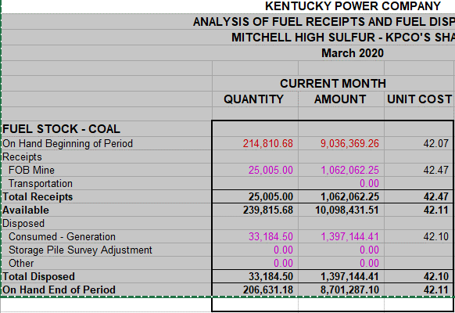
 | Account | Account Description | March 31,2020 GL Balance
 | 1510001 | Fuel Stock - Coal | 21,443,206
 | 1510020 | Fuel Stock Coal - Intransit | 86,310
 | 1520000 | Fuel Stock Exp Undistributed | 1,168,046
 |  | Total | 22,697,561

 | Balance End of Period (Low Sulfur)
 | Tons | Amount | Account
 | 189,655.28 | 12,741,919 | 1510001
 | 3,256.98 | 86,310 | 1510020
 |  | 563,969 | 1520000
 | 192,912.26 | 13,392,198 | Total

 | Balance End of Period (High Sulfur)
 | 206,631.18 | 8,701,287 | 1510001
 | - | - | 1510020
 | - | 604,076 | 1520000
 | 206,631.18 | 9,305,363 | Total

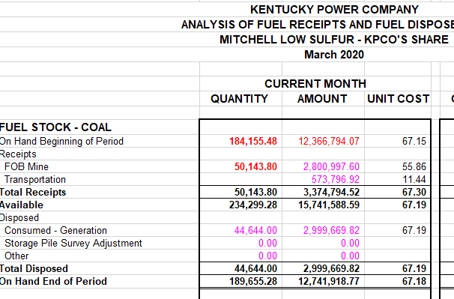
 | Tons | Type of Coal | Percentage
 | 192,912.26 | Low Sulfur | 48.28%
 | 206,631.18 | High Sulfur | 51.72%
 | 399,543.44 |  | 100.00%

