A. DR-02-002
Duke Energy Kentucky, Inc.
Case No. 2020-00142
Commission Staff's Second Request for Information Question #2

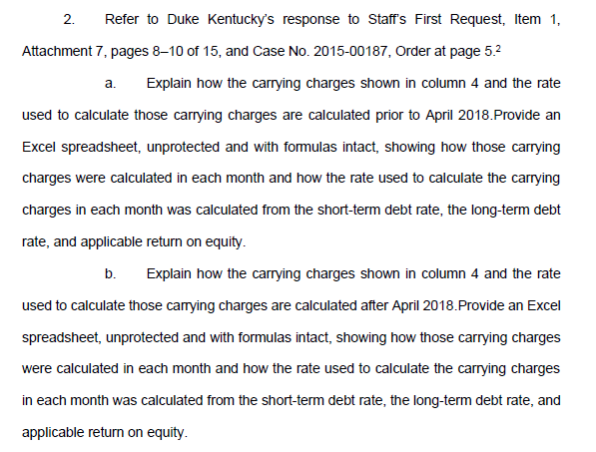
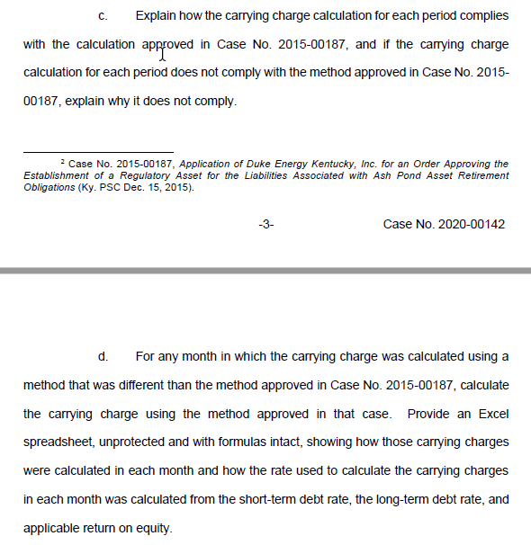

 | A) | Prior to April 2018 the debt and equity rates utilized to calculate the carrying costs were based on the AFUDC (capitalized interest) rates each month. The balance upon which the rates of return (AFUDC rates) were applied to included the actual settlement spend, less COR reclasses. Please refer Tabs B-I within this spreadsheet which includes all historical return calculations for the periods prior to April 2018.

 | B) | Beginning in April 2018 the rates utilized to calculate the carrying charges were done so using Kentucky's approved weighted average cost of capital. Please refer Tabs B-I within this spreadsheet which includes all historical return calculations for the periods after April 2018.

 | C) | Based upon the responses above, all carrying charge calculations during this time comply with the calculation approved in Case No. 2015-00187. Per the aforementioned Order, "the carrying costs will be based on Duke Kentucky's average cost of capital ("WACC"), calculated in a manner similar to its allowance for funds used during construction calculation ("AFUDC")." As such, given that the calculation prior to April 2018 was based on the AFUDC calculation, and beginning in April 2018 the calculation utilized the WACC, the calculation was in compliance with the order during each period.

 | D) | As noted in the response to DR-02-002(C) all month's carry charge calculations were done so in a method approved in Case No. 2015-00187. As such this question is not applicable.

