Q17
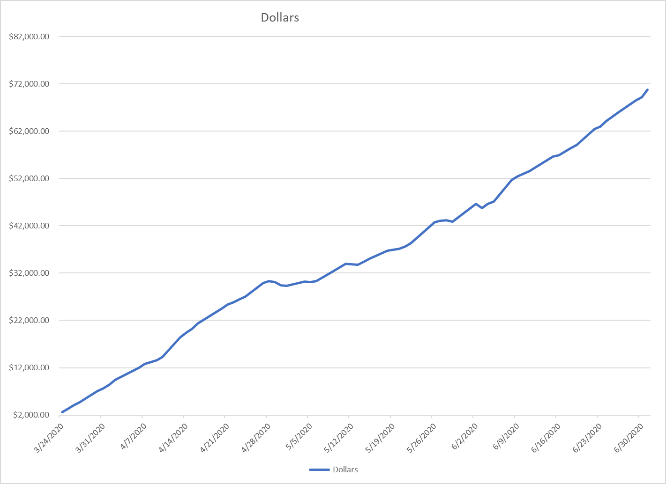
 |  |  | Item 17
 |  |  | Page 1 of 1
 |  |  | Witness: Tony Wells

Farmers Rural Electric Cooperative Corporation
Case No. 2020-00085
Commission Staff's Initial Request

 | 17 | If applicable, provide any information or concerns regarding the utility's prepay program as it related to the Commission's previous Orders in this docket.

 | Response: | Since March 24, 2020, Farmers RECC has tracked the nonpayment of pay-as-you-go (prepay) members. Referring to the graph below, the prepay accounts in arrears has significantly increased to $70,780, as of July 1, 2020. 25% (380 accounts) of all prepay members are behind on payment and would be subject to disconnection. As the summer months bring higher temperatures and correspondingly higher electric bills, the dollar value will continue to significantly climb.

