battery storage est
Update: 10/22/2018 - Tesla/BNEF
 | AEP | MW | MWh |  | Inflation Factor | Index | BNEF Installed Cost ($/kWh)
 | Battery System | 10 | 40
 | $/kWh | BOP$/kWh | Total-$/kWh | T-$/kW |  |  | 2018 Real | $ Nominal
2018 | 457 | - | 457 | 1,828 | 2.42% | 1.00
2019 | 446.1 | 0.0 | 446 | 1,784 | 2.93% | 1.0293 |  |  | -2.4%
2020 | 430.5 | 0.0 | 430 | 1,722 | 2.24% | 1.0523 |  |  | -3.5%
2021 | 411.6 | 0.0 | 412 | 1,646 | 2.17% | 1.0751 |  |  | -4.4%
2022 | 390.3 | 0.0 | 390 | 1,561 | 1.98% | 1.0964 |  |  | -5.2%
2023 | 365.0 | 0.0 | 365 | 1,460 | 1.98% | 1.1181 |  |  | -6.5%
2024 | 341.3 | 0.0 | 341 | 1,365 | 2.00% | 1.1405 |  |  | -6.5%
2025 | 319.1 | 0.0 | 319 | 1,277 | 2.02% | 1.1635 |  |  | -6.5%
2026 | 308.6 | 0.0 | 309 | 1,234 | 2.01% | 1.1869 |  |  | -3.3%
2027 | 299.6 | 0.0 | 300 | 1,198 | 1.98% | 1.2104 |  |  | -2.9%
2028 | 290.9 | 0.0 | 291 | 1,164 | 1.98% | 1.2344 |  |  | -2.9%
2029 | 284.6 | 0.0 | 285 | 1,138 | 2.00% | 1.2590 |  |  | -2.2%
2030 | 280.1 | 0.0 | 280 | 1,120 | 1.95% | 1.2837 |  |  | -1.6%
2031 | 285.5 | 0.0 | 285 | 1,142 | 1.93% | 1.3085 |  |  | 1.9%
2032 | 290.9 | 0.0 | 291 | 1,164 | 1.91% | 1.3334 |  |  | 1.9%
2033 | 296.5 | 0.0 | 296 | 1,186 | 1.92% | 1.3590 |  |  | 1.9%
2034 | 302.1 | 0.0 | 302 | 1,208 | 1.89% | 1.3847 |  |  | 1.9%
2035 | 307.8 | 0.0 | 308 | 1,231 | 1.90% | 1.4110 |  |  | 1.9%
2036 | 313.7 | 0.0 | 314 | 1,255 | 1.91% | 1.4379 |  |  | 1.9%
2037 | 319.8 | 0.0 | 320 | 1,279 | 1.93% | 1.4656 |  |  | 1.9%
2038 | 326.0 | 0.0 | 326 | 1,304 | 1.97% | 1.4944 |  |  | 2.0%
2039 | 332.5 | 0.0 | 332 | 1,330 | 1.97% | 1.5238 |  |  | 2.0%
2040 | 339.0 | 0.0 | 339 | 1,356 | 1.98% | 1.5540 |  |  | 2.0%
2041 | 345.7 | 0.0 | 346 | 1,383 | 1.96% | 1.5844 |  |  | 2.0%
2042 | 352.3 | 0.0 | 352 | 1,409 | 1.92% | 1.6149 |  |  | 1.9%
2043 | 359.1 | 0.0 | 359 | 1,436 | 1.93% | 1.6460 |  |  | 1.9%
2044 | 365.9 | 0.0 | 366 | 1,464 | 1.90% | 1.6772 |  |  | 1.9%
2045 | 372.6 | 0.0 | 373 | 1,491 | 1.84% | 1.7080 |  |  | 1.8%
2046 | 379.4 | 0.0 | 379 | 1,518 | 1.81% | 1.7389 |  |  | 1.8%
2047 | 386.2 | 0.0 | 386 | 1,545 | 1.81% | 1.7704 |  |  | 1.8% | -
2048 | 393.2 | 0.0 | 393 | 1,573 | 1.81% | 1.8025 |  |  | 1.8%

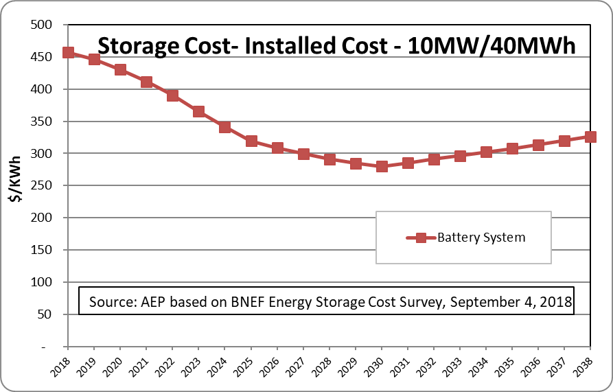
Fixed O&M ($/kW-yr) |  | 38.99
Round Trip Efficiency: |  | 83%

