Sheet1
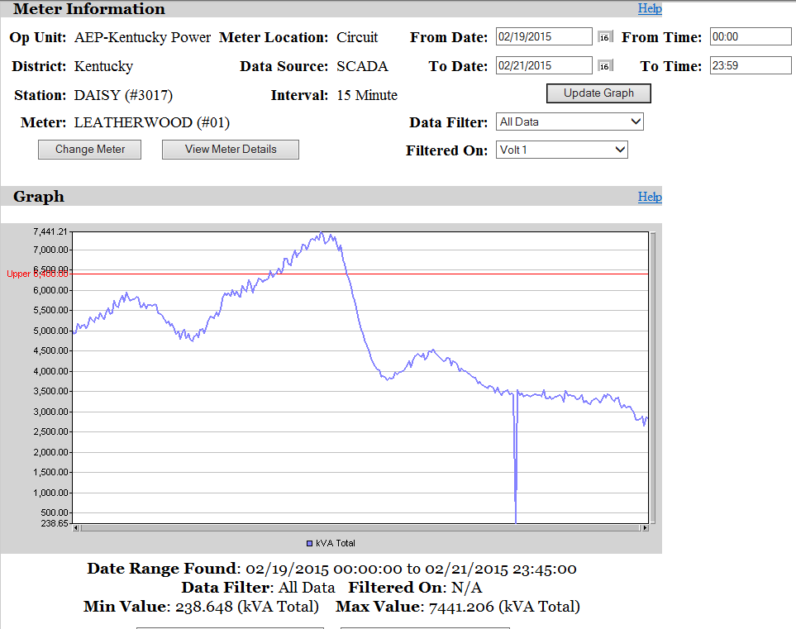
Crossings at 2 AM and 10:15 AM

