Sheet1
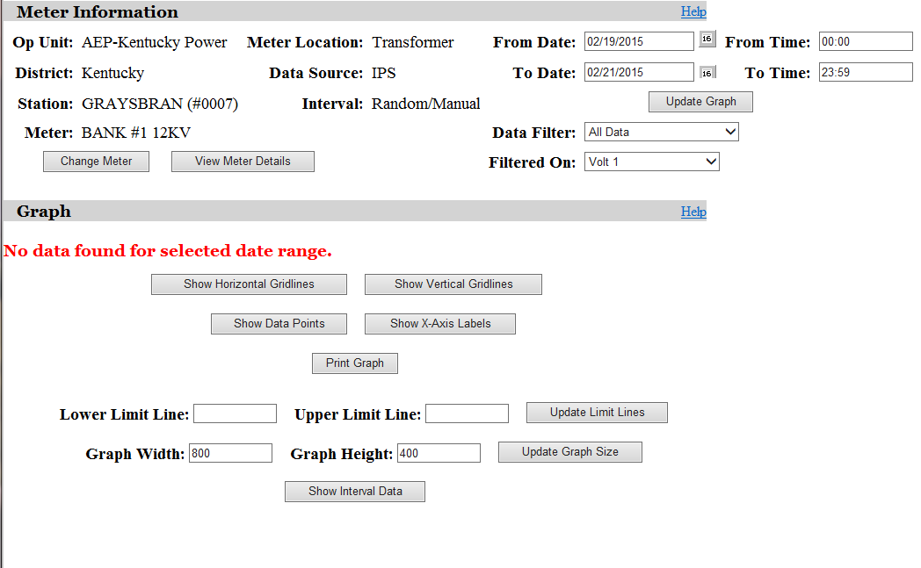
No data assumed 7 AM peak and 6 hours of need for winter.

