Sheet1
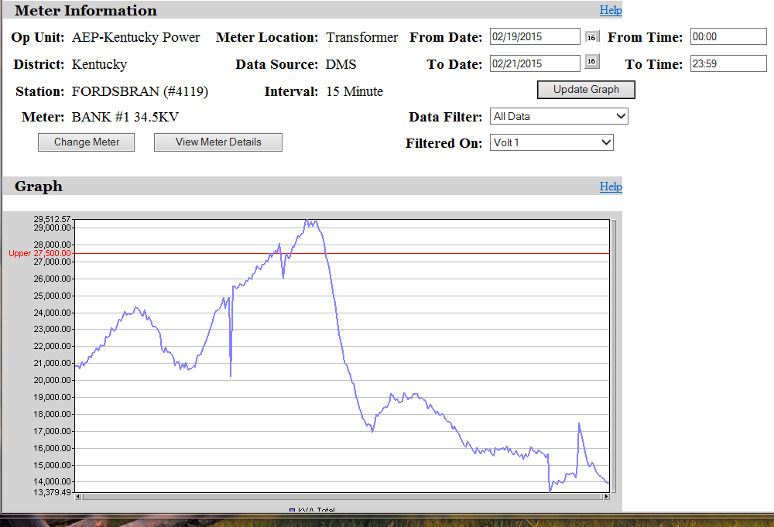
Crossings at 5 and 10 AM - 7 AM peak and 5 hours of need for winter.

