Sheet1
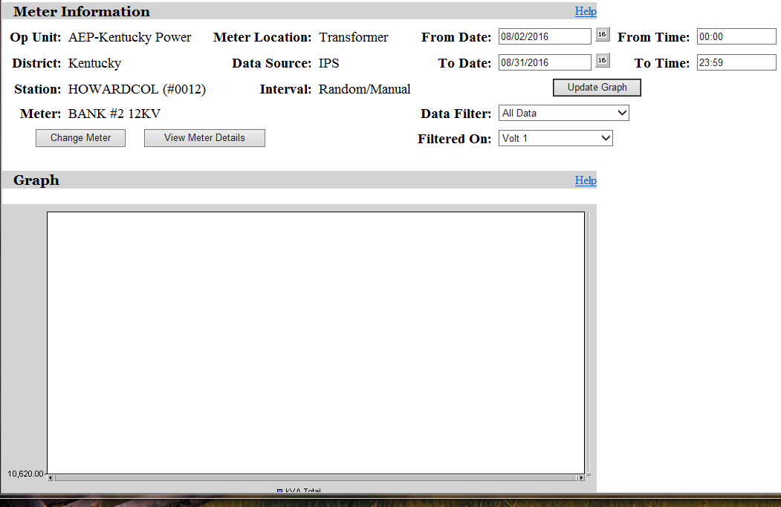
No data - values estimated.

