DEK
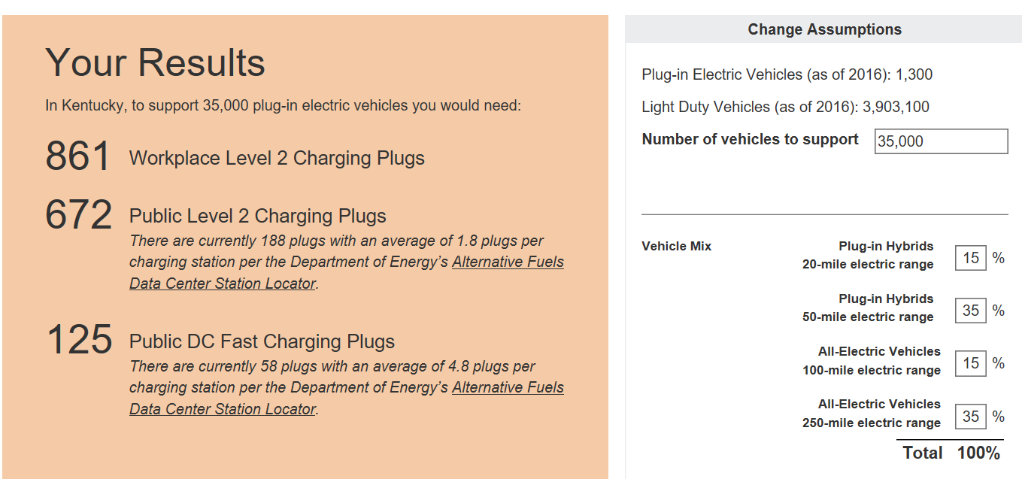
Duke Energy Kentucky EV Forecast and Station Quantity Calculations
PEV Forecasts | Current number of PEV's in Kentucky - end of 2018 | 2,207 | EPRI/Duke report using BMV data
 | Current number of PEV's in Duke Energy Kentucky - end of 2018 | 323 | EPRI/Duke report using BMV data
 | Percentage of PEV's in Duke Energy Kentucky | 15%

 | MJB - 2030 KY PEV Forecast - 5% market share | 236,000 | MJB KY Report
 | MJB - 2030 Duke Energy KY PEV Forecast - 5% market share | 34,539 | 15% of state forecast
 | MJB - 2030 KY PEV Forecast - 25% market share | 1,200,000 | MJB KY Report
 | MJB - 2030 Duke Energy KY PEV Forecast - 25% market share | 175,623 | 15% of state forecast

 | EEI - 2030 US PEV Forecast (7% of all Light Duty Vehicles will be PEV) | 18,700,000 | EEI EV Forecast November 2018
 | EEI - Ratio of total Light Duty Vehicles (KY to US) | 1.54% | US Total 260M, KY has 4M
 | EEI - 2030 KY PEV Forecast | 287,692 | 4% of 18.7M
 | EEI - 2030 Duke Energy KY PEV Forecast | 42,104 | 15% of state forecast

Current Charging Stations | # DCFC ports in Northern Kentucky | 3 | US DOE AFDC
 | # public L2 ports in Northern Kentucky | 20 | US DOE AFDC

Charging Stations Needed | DCFC Qty needed to support 35,000 by 2030 | 125 | EVI Pro Lite
 | Public L2 Qty needed to support 35,000 by 2030 | 1533 | See image below

Duke Energy Ohio Pilot Plan | Company's role in achieving 2030 goal | 25% | Strategic company decision
 | DCFC responsibility - Pilot proposal | 31 | Proposing 5 DCFC locations (10 units)
 | Public L2 responsibility - Pilot proposal | 378 | Proposing 160 L2 stations

