Relocate Potable Water Line
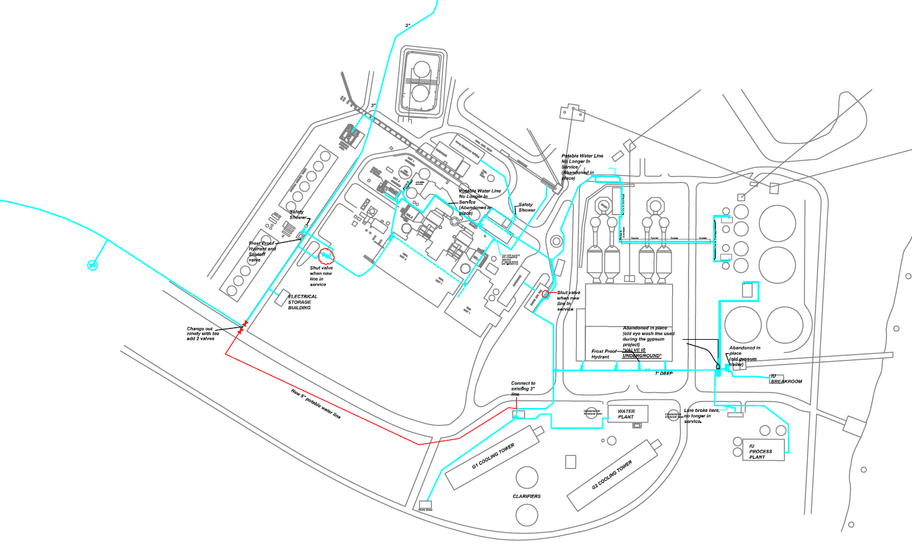
A&S Services to provide labor, Equipment and BREC will provide the Material to hook onto Existing 6" Potable water line by HMPL cooling tower.

 | A&S Labor | $16,950.00
 | Brec Material | $14,016.31
 | Total | $30,966.31

