Link In
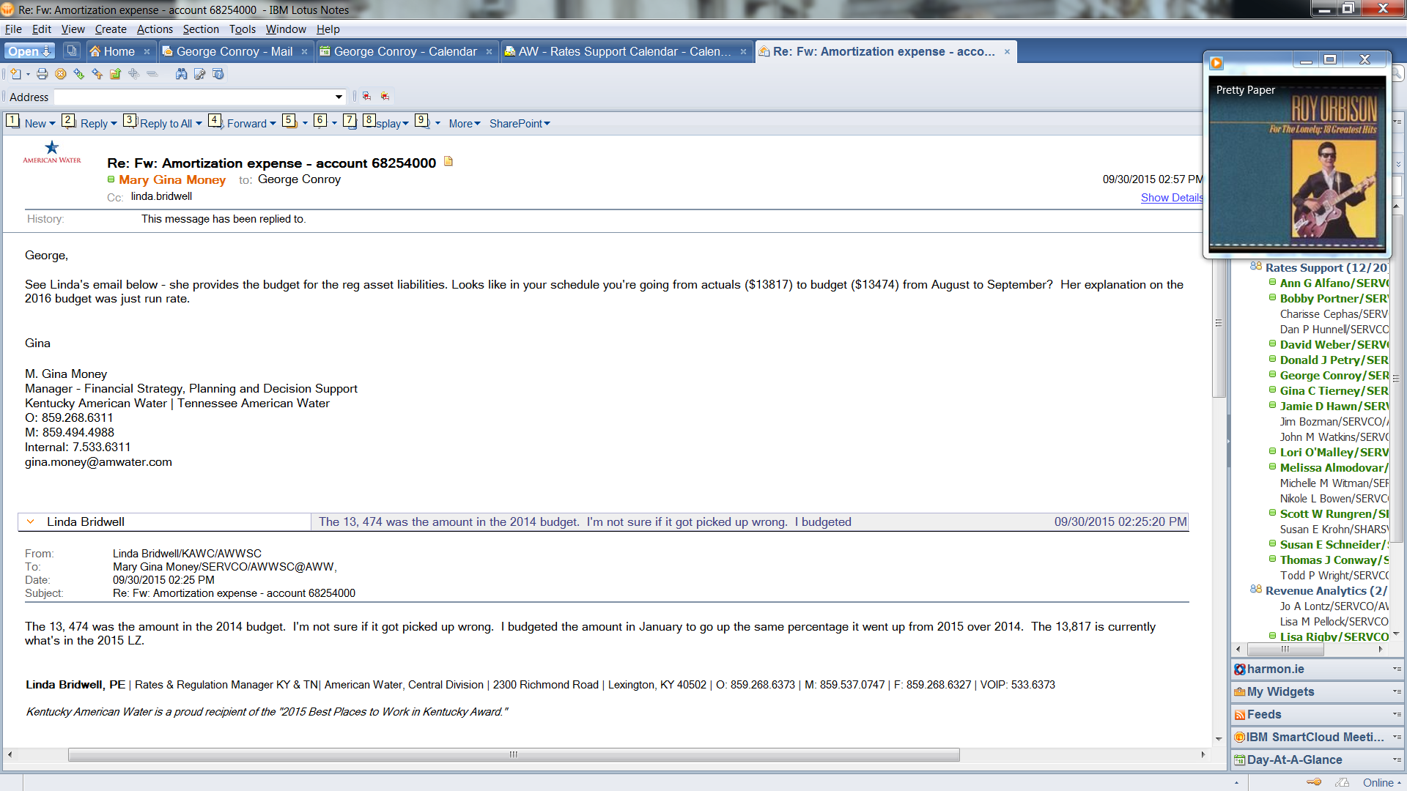
Kentucky American Water Company
KENTUCKY AMERICAN WATER COMPANY
Case No. 2018-00358
2019-02-28
June 30, 2020
For the 12 Months Ending June 30, 2020
Base Year for the 12 Months Ended February 28, 2019 | Base Year at 2/28/19 | Base Year for the 12 Months Ended 2/28/19
Base Year Adjustment
Forecast Year for the 12 Months Ended June 30, 2020 | Forecast Year at 6/30/2020 | Forecasted Year at Present Rates |  | Allocated Forecast Year at 6/30/2020 |  | Base Year Test Year Financial Data:
Attrition Year Adjustment at Present Rates: |  |  |  |  |  | Line # | Line Description | Account | Account Description | NARUC | Mar-18 | Apr-18 | May-18 | Jun-18 | Jul-18 | Aug-18 | Sep-18 | Oct-18 | Nov-18 | Dec-18 | Jan-19 | Feb-19 | Total
Attrition Year at Present Rates
Adjustments for Proposed Rates: |  |  |  |  |  | P40 | Amortization | 68254000 | Amort-RegAsset AFUDC | 407.1 | 16,312.00 | 16,312.00 | 16,312.00 | 16,312.00 | 16,312.00 | 16,312.00 | 17,918.00 | 17,918.00 | 17,918.00 | 17,918.00 | 17,196.00 | 17,196.00 | 203,936.00
Attrition Year at Proposed Rates |  |  |  |  |  | P40 | Amortization | 68255000 | Amort-UPAA | 406. | 713.00 | 713.00 | 713.00 | 713.00 | 713.00 | 713.00 | 713.00 | 713.00 | 713.00 | 713.00 | 713.00 | 713.00 | 8,556.00
 |  |  |  |  |  | P40 | Amortization | 68257000 | Amort-Prop Losses | 407.2 | 4,757.00 | 4,757.00 | 4,757.00 | 4,757.00 | 4,757.00 | 4,757.00 | 4,757.00 | 4,757.00 | 4,757.00 | 4,757.00 | 4,757.00 | 4,757.00 | 57,084.00
Type of Filing: __X__ Original _____ Updated _____ Revised |  |  |  |  |  | P40 | Amortization | 68258000 | Amort-Reg Asset | 407.4 | 575.00 | 575.00 | 575.00 | 575.00 | 575.00 | 575.00 | 575.00 | 575.00 | 575.00 | 575.00 | 575.00 | 575.00 | 6,900.00
Type of Filing: _____ Original __X__ Updated _____ Revised
Type of Filing: _____ Original _____ Updated __X__ Revised |  |  |  |  |  |  |  |  |  |  | 22,357.00 | 22,357.00 | 22,357.00 | 22,357.00 | 22,357.00 | 22,357.00 | 23,963.00 | 23,963.00 | 23,963.00 | 23,963.00 | 23,241.00 | 23,241.00 | 276,476.00

Witness Responsible:
Witness Responsible: Melissa Schwarzell

Amortization
Base Year Adjustment Amortization

W/P - 4-2

Base Year Financial Data: |  |  |  |  |  | Forecasted Test Year Financial Data:
Line | Line Description | Account | Account Description | NARUC | Base Year Total | Line # | Line Description | Account | Account Description | NARUC | Jul-19 | Aug-19 | Sep-19 | Oct-19 | Nov-19 | Dec-19 | Jan-20 | Feb-20 | Mar-20 | Apr-20 | May-20 | Jun-20 | Total

P40 | Amortization | 68254000 | Amort-RegAsset AFUDC | 407.1 | 203,936.00 | P40 | Amortization | 68254000 | Amort-RegAsset AFUDC | 407.1 | 17,196.00 | 17,196.00 | 17,196.00 | 17,196.00 | 17,196.00 | 17,196.00 | 17,196.00 | 17,196.00 | 17,196.00 | 17,196.00 | 17,196.00 | 17,196.00 | 206,352.00
P40 | Amortization | 68255000 | Amort-UPAA | 406. | 8,556.00 | P40 | Amortization | 68255000 | Amort-UPAA | 406. | 713.00 | 713.00 | 713.00 | 713.00 | 713.00 | 713.00 | 713.00 | 713.00 | 713.00 | 713.00 | 713.00 | 713.00 | 8,556.00
P40 | Amortization | 68257000 | Amort-Prop Losses | 407.2 | 57,084.00 | P40 | Amortization | 68257000 | Amort-Prop Losses | 407.2 | 4,757.00 | 4,757.00 | 4,757.00 | 4,757.00 | 4,757.00 | 4,757.00 | 4,757.00 | 4,757.00 | 4,757.00 | 4,757.00 | 4,757.00 | 4,757.00 | 57,084.00
P40 | Amortization | 68258000 | Amort-Reg Asset | 407.4 | 6,900.00 |  |  | 68258000 | Amort-Reg Asset | 407.4 | 575.00 | 575.00 | 575.00 | 575.00 | 575.00 | 575.00 | 575.00 | 575.00 | 575.00 | 575.00 | 575.00 | 575.00 | 6,900.00
 |  |  |  |  | 276,476.00
 |  |  |  |  |  |  |  |  |  |  | 23,241.00 | 23,241.00 | 23,241.00 | 23,241.00 | 23,241.00 | 23,241.00 | 23,241.00 | 23,241.00 | 23,241.00 | 23,241.00 | 23,241.00 | 23,241.00 | 278,892.00

Proposed Amortization of UPAA - 2018 Rate Case | Base Period | Forecast Period |  |  |  |  |  |  |  |  |  |  |  |  |  |  | 23,241.00
North Middletown | 0 | 24,567

