Sheet1
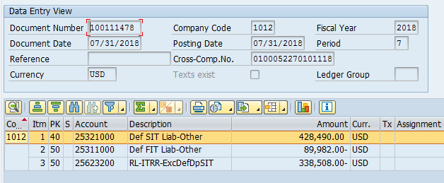
2/25/2019 1:13:21 PM
American Water Works Company, Inc.
Deferred Balances Report - State Only (Reporting)
2018 December 10K FINAL, 1012 Kentucky American, Kentucky

Code | Name | Beginning Balance | Rate Change | Opening Balance Sheet Adj. (P/L) | Return To Provision (P/L) | Adjusted Beginning Balance | Current Activity | Reg A/L & ITC Movement (P/L) | Other Deferred Adjustments (P/L) | Other Deferred Adjustments (BSO) | Ending Balance
A1 | Advances & contributions | 3,573,042 | (595,507) | 0 | 0 | 2,977,535 | 20,156 | 0 | 0 | 0 | 2,997,691
A3 | Other postretirement benefits (OPEBS) | 76,901 | (12,817) | 0 | 0 | 64,084 | (22,212) | 0 | 0 | 0 | 41,873
A4 | Tax Losses and Credits | 562,602 | (93,767) | 0 | (159,884) | 308,951 | 0 | 0 | 0 | 0 | 308,951
A5 | Pension Benefits | (123,924) | 20,654 | 0 | 14,534 | (88,736) | 14,662 | 0 | 0 | 0 | (74,074)
A7 | Other | 110,458 | (18,410) | 0 | 0 | 92,048 | 2,317 | 59,165 | 0 | (63,089) | 90,441
L1 | Utility plant, primarily depreciation | (14,581,922) | 2,399,537 | (1,341,197) | 270,262 | (13,253,320) | 136,034 | 0 | 0 | 1,525,894 | (11,591,391)
L12 | Other postretirement benefits (OPBEBS) | 0 | 0 | 0 | 0 | 0 | 0 | 0 | 0 | 0 | 0
L13 | Pension Benefits | 0 | 0 | 0 | 0 | 0 | 0 | 0 | 0 | 0 | 0
L5 | OTHER | 2,120,202 | (353,360) | 0 | (2,652) | 1,764,190 | (40,536) | (6,565) | 0 | (45,316) | 1,671,773
Unassigned | Unassigned | 30,799 | (5,133) | 0 | (3,542) | 22,124 | 12,833 | 0 | (16,682) | 16,682 | 34,957

Total |  | (8,231,840) | 1,341,197 | (1,341,197) | 118,718 | (8,113,122) | 123,254 | 52,600 | (16,682) | 1,434,171 | (6,519,780)

 |  | State Rate change | 1,341,197
 |  | State net of fed benefit | 1,059,546

 |  | Tax Rate | 24.95%
 |  | Reg Liability | 1,411,786
 |  | Per GL | (1,410,550)
 |  | Difference | 1,236

 |  | JOURNAL ENTRIES:
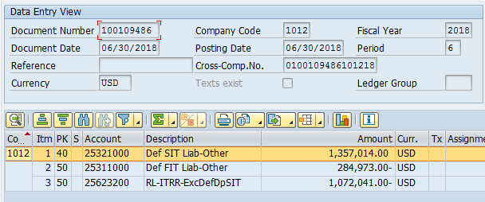
 |  | Date | Account 25623200
 |  | 2018-06-30 | (1,072,042)
 |  | 2018-07-31 | (338,508)
 |  | Total | (1,410,550)

