AG DR#12 & #13 - NOL
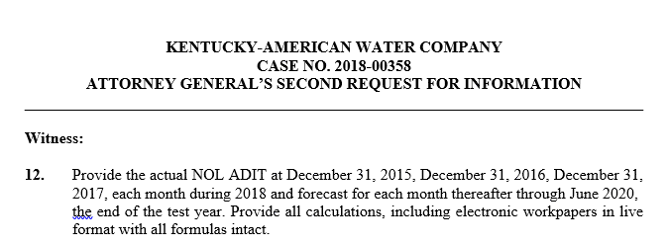
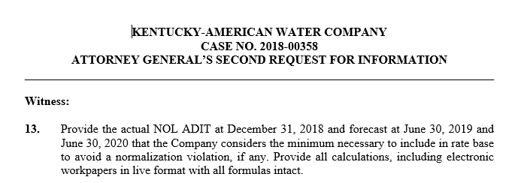

 | Gross | Tax Effected
2015-12-31 | 5,902,243 | 2,065,785
2016-12-31 | 6,080,147 | 2,128,051
2017-12-31 | 5,548,947 | 1,165,279
2018-01-31 | 5,268,184 | 1,106,319
2018-02-28 | 5,178,335 | 1,087,450
2018-03-31 | 5,060,078 | 1,062,616
2018-04-30 | 4,704,602 | 987,966
2018-05-31 | 4,396,834 | 923,335
2018-06-30 | 4,603,122 | 966,656
2018-07-31 | 4,220,437 | 886,292
2018-08-31 | 3,966,174 | 832,897
2018-09-30 | 3,546,714 | 744,810
2019-10-31 | 3,649,190 | 766,330
2020-11-30 | 4,655,762 | 977,710
2018-12-31 | 4,449,922 | 934,484
2019-01-31 | 4,079,095 | 856,610
2019-02-28 | 3,708,268 | 778,736
2019-03-31 | 3,337,441 | 700,863
2019-04-30 | 2,966,615 | 622,989
2019-05-31 | 2,595,788 | 545,115
2019-06-30 | 2,224,961 | 467,242
2019-07-31 | 1,854,134 | 389,368
2019-08-31 | 1,483,307 | 311,495
2019-09-30 | 1,112,480 | 233,621
2019-10-31 | 741,654 | 155,747
2019-11-30 | 370,827 | 77,874
2019-12-31 | (0) | -
2020-01-31 | (0) | -
2020-02-28 | (0) | -
2020-03-31 | (0) | -
2020-04-30 | (0) | -
2020-05-31 | (0) | -
2020-06-30 | (0) | -

