Depr BALANCE
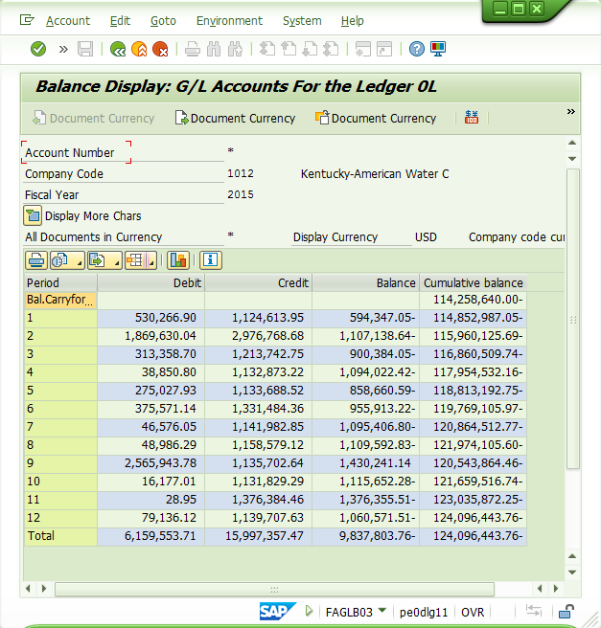
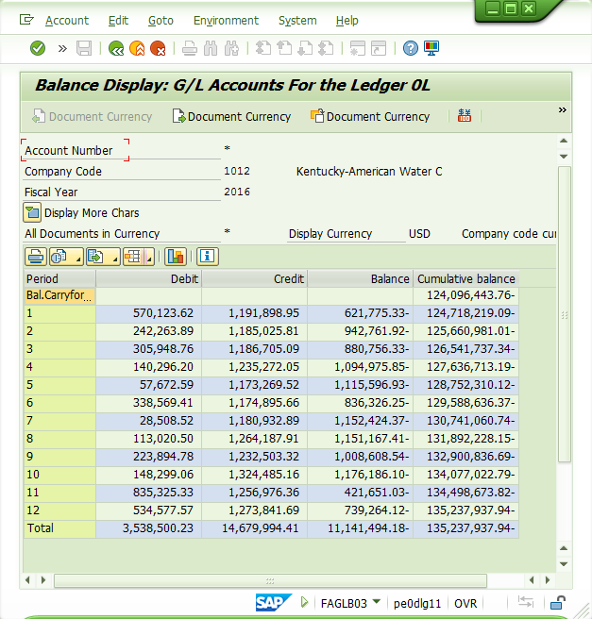

KENTUCKY-AMERICAN WATER COMPANY
Case No. 2018-00358
Response to KAW_R_PSCDR2_NUM029_012519

 | 2012 | 112,509,075.85
 | 2013 | 120,269,887.42
 | 2014 | 114,258,640.00
 | 2015 | 124,096,443.76
 | 2016 | 135,237,937.94
 | 2017 | 148,345,544.65
 |  | 754,717,529.62

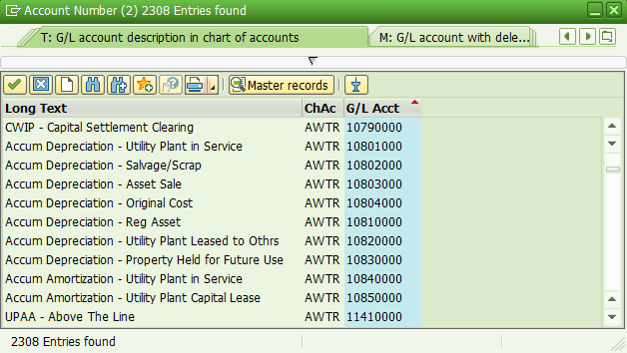



Account |  |  | 112,509,075.85 | 120,269,887.42 | 114,258,640.00
10801000
10802000
10803000
10804000
10810000
10820000
10830000
10840000
10850000

 |  |  | 124,096,443.76 | 135,237,937.94 | 148,345,544.65

CIAC 272 BALANCE
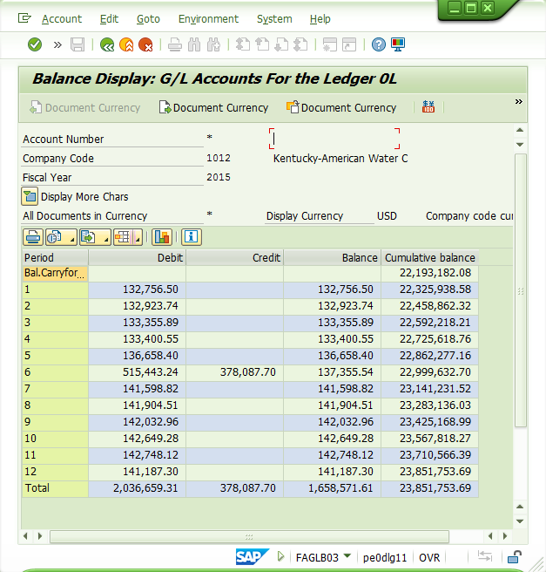
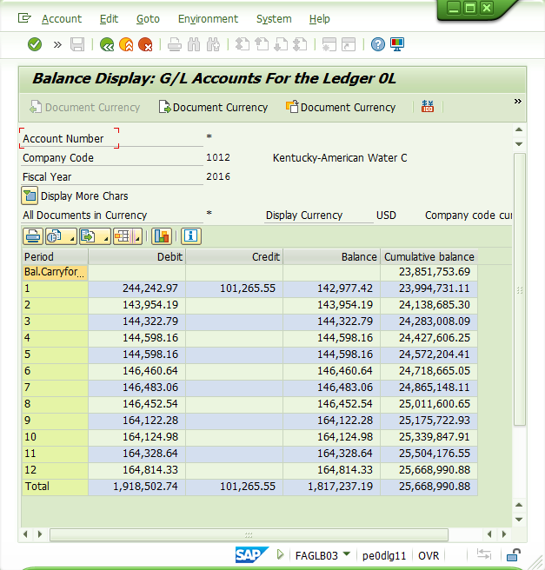
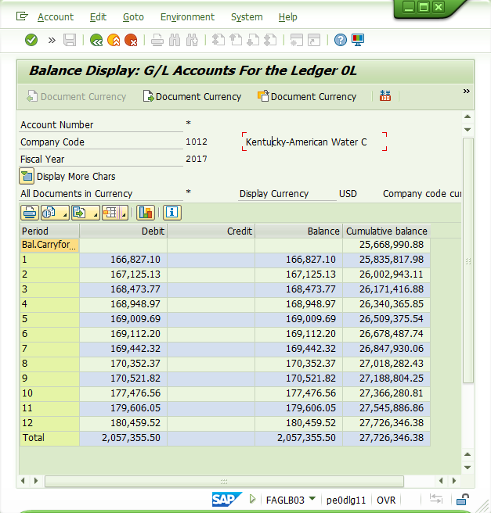
KENTUCKY-AMERICAN WATER COMPANY
Case No. 2018-00358
Response to KAW_R_PSCDR2_NUM029_012519

 | 2012 | 18,677,790.44
 | 2013 | 20,226,225.29
 | 2014 | 22,193,182.08
 | 2015 | 23,851,753.69
 | 2016 | 25,668,990.88
 | 2017 | 27,726,346.38
 |  | 138,344,288.76
Account |  |  | 18,677,790.44 | 20,226,225.29 | 22,193,182.08
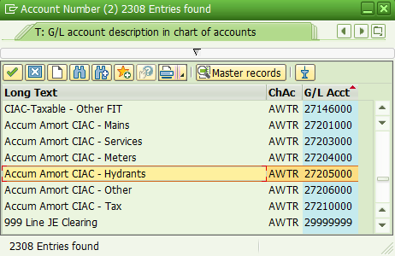
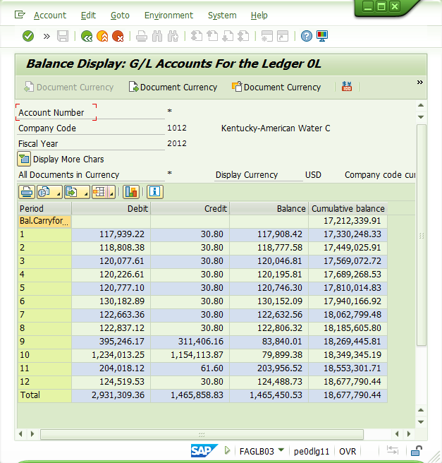
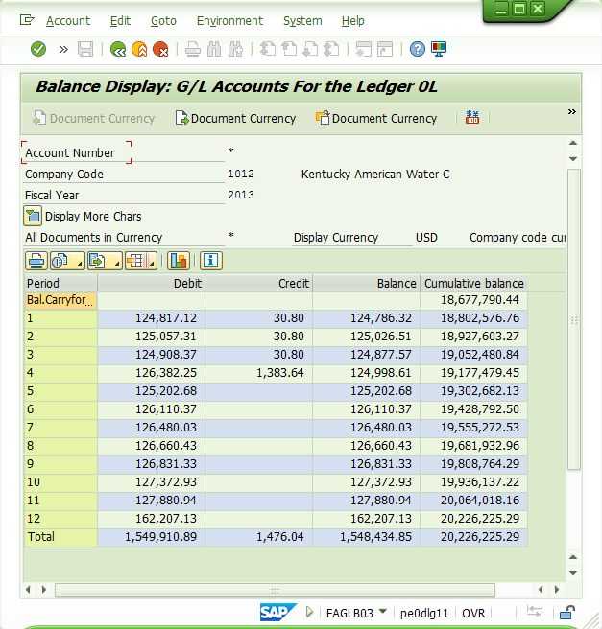

27201000
27203000
27204000
27205000
27206000
27210000

 |  |  | 23,851,753.69 | 25,668,990.88 | 27,726,346.38

