2018 State Liability
KENTUCKY-AMERICAN WATER COMPANY
CASE NO. 2018-00358
Response to KAW_R_AGDR1_NUM029_012519

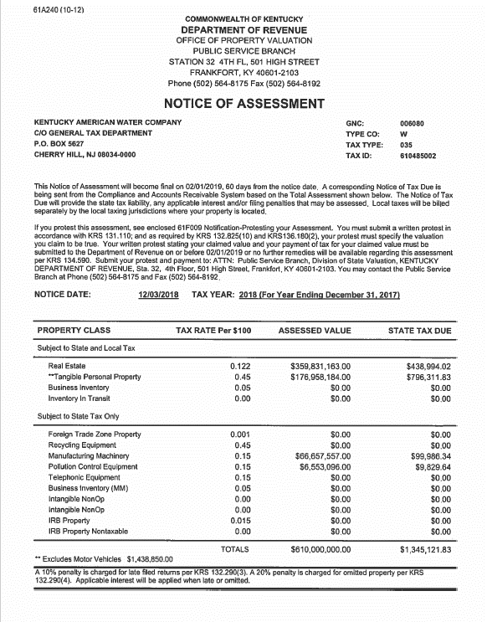

 | <--------------HERE

