PBOP Update 9.2018
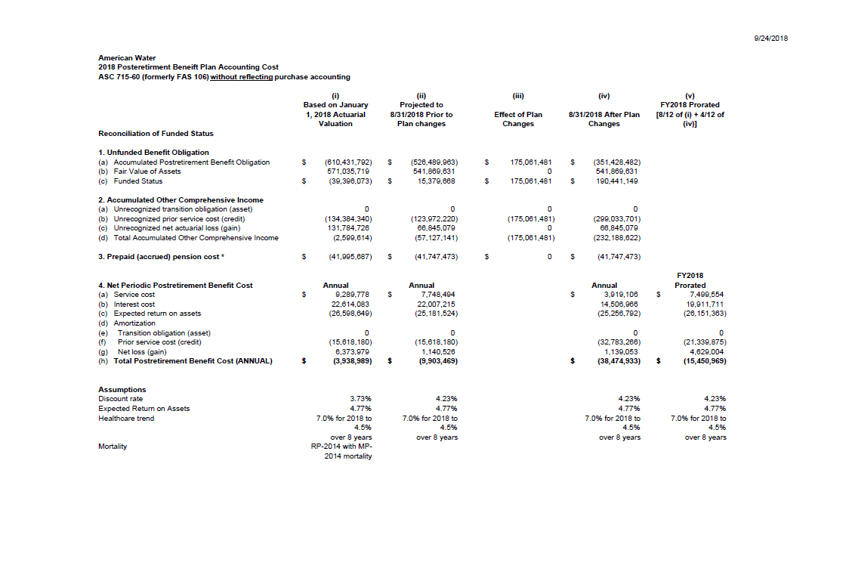

MedMisc
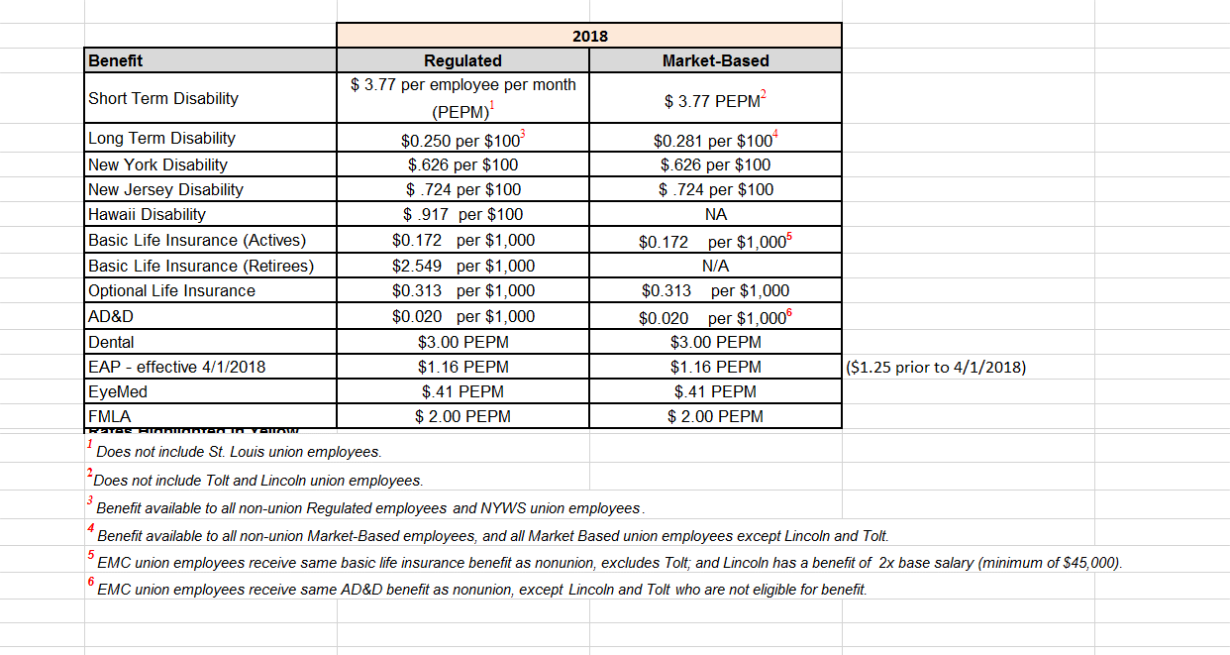
Miscellaneous Group Insurance Rates

 | Non-Union Rates
 | Salary Multiplier = Coverage Basis | Max Coverage Basis | 2018 Monthly Cost per Coverage Unit | Coverage Unit | Annual Flat Cost | Note
Short Term Disability |  |  |  |  | $45.24
Long Term Disability | 1 | $180,000 | $0.250 | $100
Basic Life | 1.5 | $200,000 | $0.172 | $1,000
Accidental Death & Dismemberment | 1.5 |  | $0.020 | $1,000

 | Union Rates
 | Salary Multiplier = Coverage Basis | Max Coverage Basis | 2018 Monthly Cost per Coverage Unit | Coverage Unit | Annual Flat Cost | Note
Short Term Disability |  |  |  |  | $45.24
Long Term Disability
Basic Life | 1.25 | $200,000 | $0.172 | $1,000
Accidental Death & Dismemberment |  | $10,000 | $0.020 | $1,000 | $2.40 | (If salary > $10,000)

