Summary
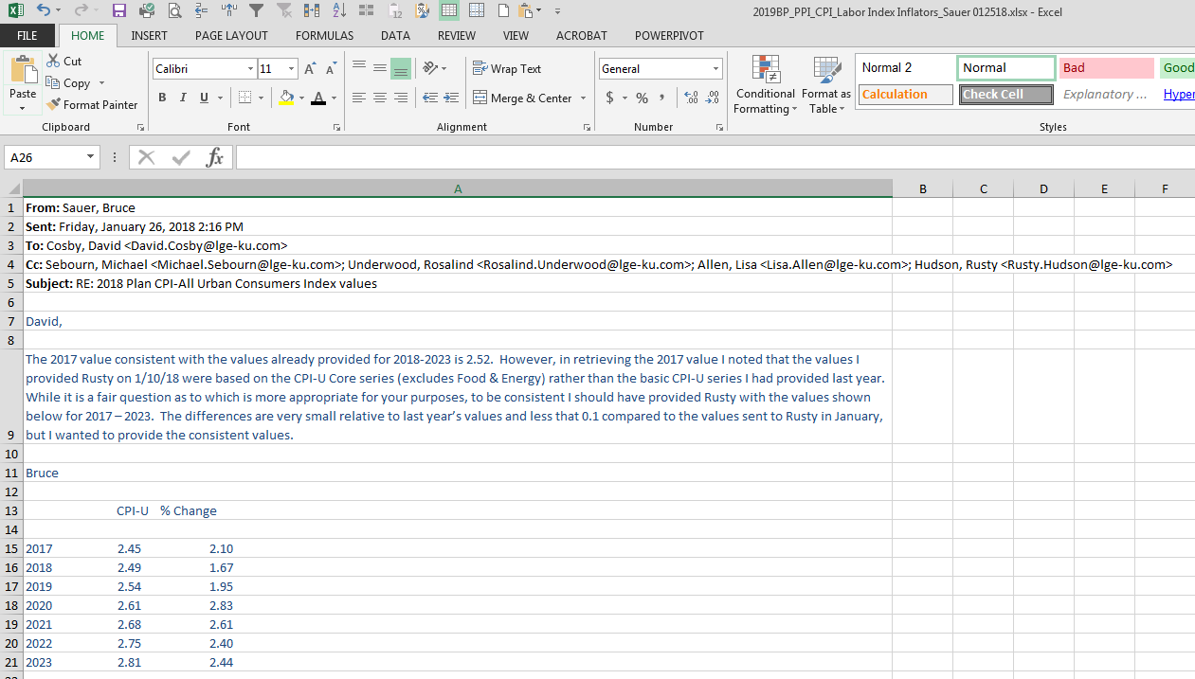
Sum of Amount | Column Labels |  |  |  |  |  |  |  |  |  |  |  |  | Annualized
Row Labels | 01 | 02 | 03 | 04 | 05 | 06 | 07 | 08 | 09 | 10 | 11 | 12 | Grand Total | Normal
2015 | 52,177 | 315,437 | 73,821 | 46,317 | 21,736 | 58,599 | 55,315 | 68,855 | 6,697 | 18,946 | 8,866 | 4,870 | 731,635
LG&E |  | 112,180 | 55 | 2,123 |  | 8,314 | 7,301 | 12,814 | - | - | (1,750) | 2,312 | 143,350 | 37,338
KU | 52,177 | 203,257 | 73,766 | 44,194 | 21,736 | 50,284 | 48,013 | 56,041 | 6,697 | 18,946 | 10,616 | 2,559 | 588,286 | 373,515
2016 | 89,358 | 20,186 | 28,290 | 58,062 | 35,597 | 25,485 | 19,358 | 66,233 | 12,697 | 878 | 32,147 | 2,903 | 391,193
LG&E | 50,029 | 1,950 |  | 5,614 | 14,345 |  |  | 7,146 | 4,556 | - |  |  | 83,641 | 83,641
KU | 39,329 | 18,236 | 28,290 | 52,448 | 21,252 | 25,485 | 19,358 | 59,087 | 8,141 | 878 | 32,147 | 2,903 | 307,552 | 307,552
2017 | 11,413 | 8,911 | 22,467 | 26,776 | 56,405 | 24,370 | 34,675 | 24,458 | 38,439 | 1,060 | 28,374 | (1,966) | 275,383
LG&E | 7,687 |  | 10,055 | 10,913 | 3,630 | 5,065 | 3,686 | 26,831 | 6,961 | 1,060 | 25,397 | (2,045) | 99,240 | 99,240
KU | 3,726 | 8,911 | 12,413 | 15,863 | 52,776 | 19,305 | 30,989 | (2,373) | 31,478 | - | 2,977 | 79 | 176,143 | 176,143
Grand Total | 152,949 | 344,535 | 124,578 | 131,155 | 113,738 | 108,453 | 109,347 | 159,546 | 57,833 | 20,884 | 69,387 | 5,806 | 1,398,211
 |  |  |  |  |  |  |  |  |  |  |  |  |  | Normalized
 |  |  |  |  |  |  |  |  |  |  |  |  |  | Average
 |  |  |  |  |  |  |  |  |  |  |  |  |  | 73,406
 |  |  |  |  |  |  |  |  |  |  |  |  |  | 285,737
 |  |  |  |  |  |  |  |  |  |  |  |  |  | 359,143
 | 2019 Monthly
 | Jan | Feb | Mar | Apr | May | Jun | Jul | Aug | Sep | Oct | Nov | Dec | Total | TCA
LG&E | 10,679 | 10,679 | 10,679 | 10,679 | 10,679 | 10,679 | 10,679 | 10,679 | 10,679 | 10,679 | 10,679 | 10,679 | 128,151 | 35%
KU | 19,833 | 19,833 | 19,833 | 19,833 | 19,833 | 19,833 | 19,833 | 19,833 | 19,833 | 19,833 | 19,833 | 19,833 | 237,995 | 65%

 |  |  |  |  | 2019 | 2020 | 2021 | 2022 | 2023
 |  |  |  | CPI Inflation | 1.95% | 2.83% | 2.61% | 2.40% | 2.44%

 |  |  |  |  | 2019 | 2020 | 2021 | 2022 | 2023
 |  |  |  |  | 366,146 | 376,508 | 386,335 | 395,607 | 405,260

 |  |  |  | TCA | TCA - Transmission Coordination Agreement
 |  |  |  | 35% | 128,151 | 131,778 | 135,217 | 138,462 | 141,841
 |  |  |  | 65% | 237,995 | 244,730 | 251,118 | 257,145 | 263,419
 |  |  |  |  | 366,146 | 376,508 | 386,335 | 395,607 | 405,260

 |  |  |  | $'s | Test Year
 |  |  |  | LG&E | 129,360 | $8 rounding difference from the official figure in PowerPlan ($129,368).
 |  |  |  | KU | 240,240

