STD 2017 WP
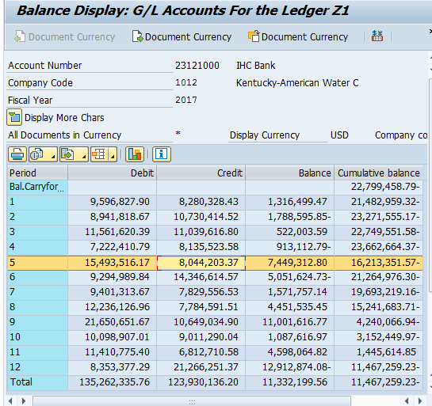
Kentucky-American Water Company |  |  |  | Page 1 of 1
Case No. 2018-00042
Response to KAW_R_PSCDR1_NUM002

Short-Term Debt; Account 23121000
Monthly Short-Term Debt Balances for December 2016 - December 2017

Period | Debit | Credit | Balance | Cumulative balance
Bal.Carryforward | - | - | - | (22,799,458.79)
001 | 9,596,827.90 | 8,280,328.43 | 1,316,499.47 | (21,482,959.32)
002 | 8,941,818.67 | 10,730,414.52 | (1,788,595.85) | (23,271,555.17)
003 | 11,561,620.39 | 11,039,616.80 | 522,003.59 | (22,749,551.58)
004 | 7,222,410.79 | 8,135,523.58 | (913,112.79) | (23,662,664.37)
005 | 15,493,516.17 | 8,044,203.37 | 7,449,312.80 | (16,213,351.57)
006 | 9,294,989.84 | 14,346,614.57 | (5,051,624.73) | (21,264,976.30)
007 | 9,401,313.67 | 7,829,556.53 | 1,571,757.14 | (19,693,219.16)
008 | 12,236,126.96 | 7,784,591.51 | 4,451,535.45 | (15,241,683.71)
009 | 21,650,651.67 | 10,649,034.90 | 11,001,616.77 | (4,240,066.94)
010 | 10,098,907.01 | 9,011,290.04 | 1,087,616.97 | (3,152,449.97)
011 | 11,410,775.40 | 6,812,710.58 | 4,598,064.82 | 1,445,614.85
012 | 8,353,377.29 | 21,266,251.37 | (12,912,874.08) | (11,467,259.23)
Total | 135,262,335.76 | 123,930,136.20 | 11,332,199.56 | (11,467,259.23)

