2015-0048 Settlement
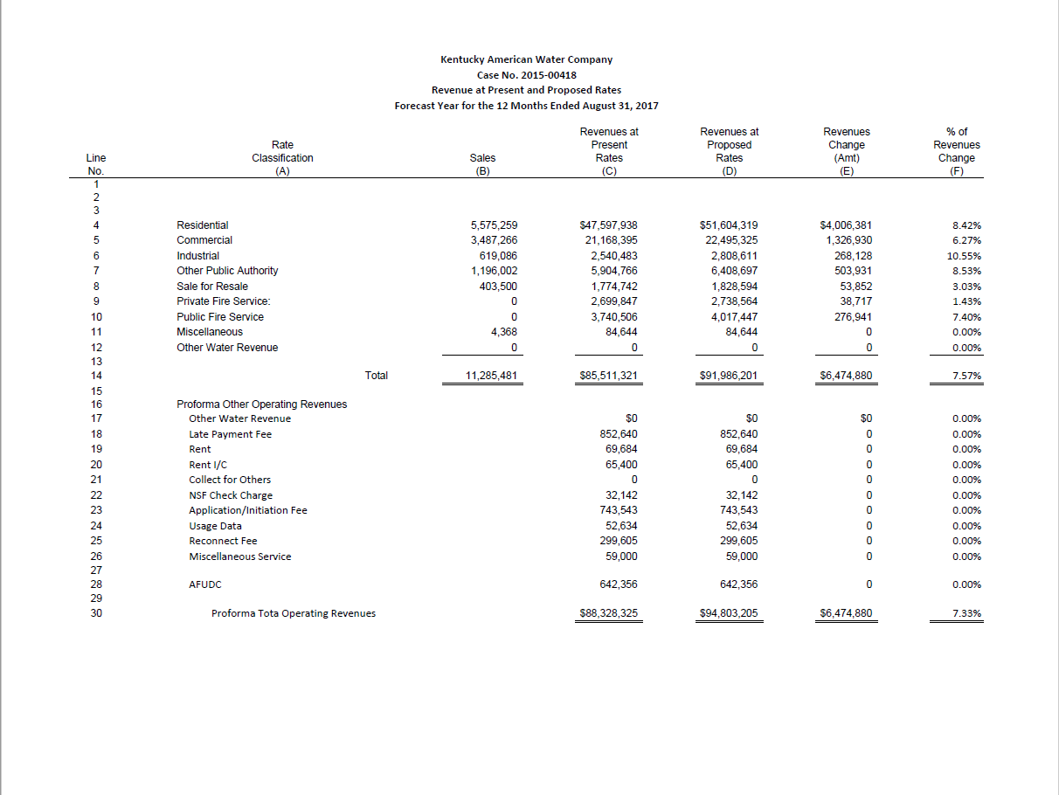
Kentucky American Water Company
Case No. 2017-00481
Support from Settlement of 2015-00418

