JRW-2.1
 | Case No. 2016-00371
 | Exhibit JRW--2
 | Interest Rates
 | Page 1 of 1

Exhibit JRW--2

Panel A
Ten-Year Treasury Yields
1953-Present
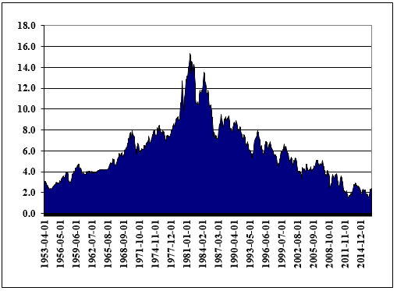

Source: http://research.stlouisfed.org/fred2/data/GS10.txt

Panel B
Long-Term Moody's Baa Yields Minus Ten-Year Treasury Yields
2000-Present
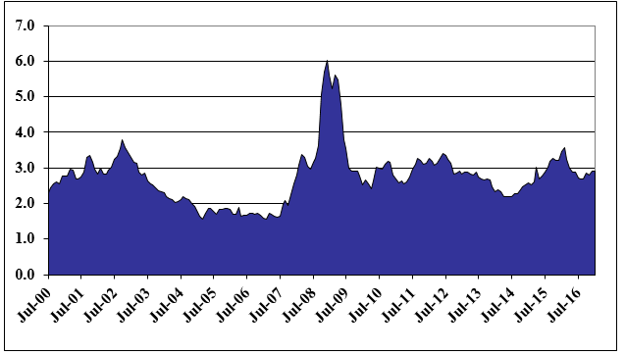

Source: Federal Reserve Bank of St. Louis, FRED Database.

JRW-3.1
 |  | Case No. 2016-00371
 |  | Exhibit JRW--3
 |  | Public Utility Bond Yields
 |  | Page 1 of 1

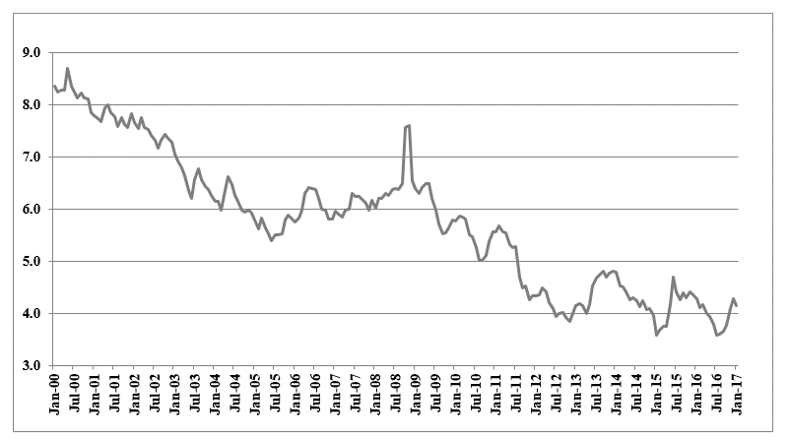
 | Exhibit JRW--3
 | Panel A
 | Long-Term, A-Rated Public Utility Yields

 | Panel B
 | Long-Term, A-Rated Public Utility Yields minus -Twenty-Year Treasury Yields
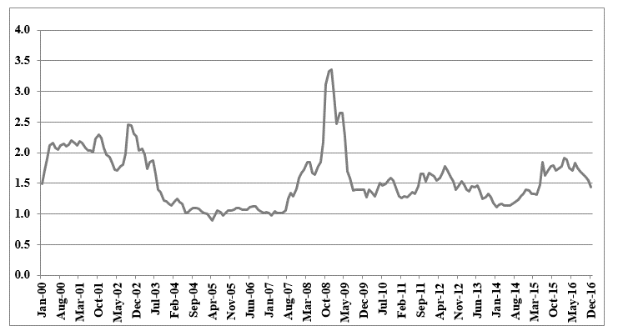

Source: Mergent Bond Record, Federal Reserve Bank of St. Louis, FRED Database.

JRW-6.1 (2)
 | Case No. 2016-00371
 | Exhibit JRW--6
 | The Relationship Between Expected ROE and Market-to-Book Ratios
 | Page 1 of 2

Exhibit JRW--6
Electric Utilities
Panel A
Market-to-Book
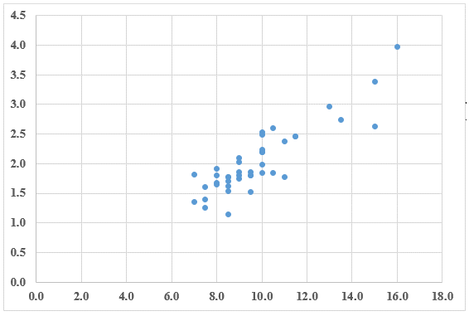

Expected Return on Equity
R-Square = .77, N=42
Source: Value Line Investment Survey, 2016.

Panel B
Gas Companies
Market-to-Book
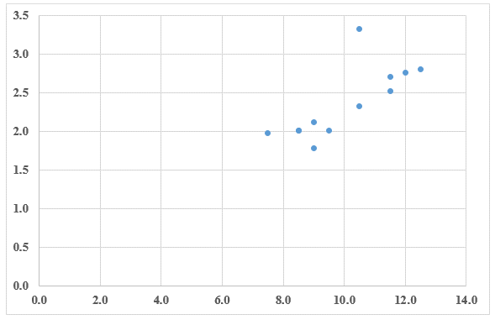

Expected Return on Equity
R-Square = .56, N=12
Source: Value Line Investment Survey, 2016.

JRW-6.2 (2)
 | Case No. 2016-00371
 | Exhibit JRW--6
 | The Relationship Between Expected ROE and Market-to-Book Ratios
 | Page 2 of 2

Exhibit JRW--6
Water Companies
Panel C
Market-to-Book
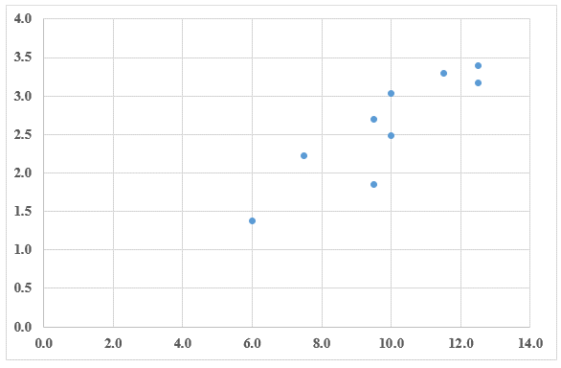

Expected Return on Equity
R-Square = .75, N=9
Source: Value Line Investment Survey, 2016.

JRW-7.2
 | Case No. 2016-00371
 | Exhibit JRW--7
 | Utility Capital Cost Indicators
 | Page 2 of 3

Exhibit JRW--7

Panel A
Electric Utility Average Dividend Yield
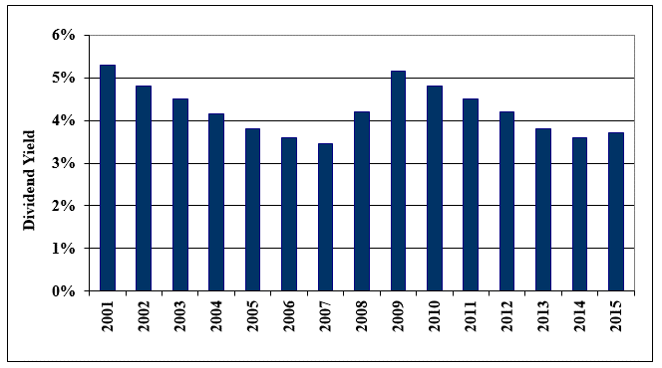

Data Source: Value Line Investment Survey.

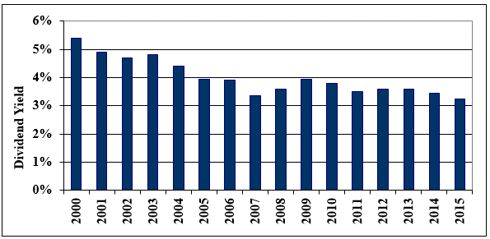
Panel B
Gas Distribution Dividend Yields

Data Source: Value Line Investment Survey.

JRW-7.3
 | Case No. 2016-00371
 | Exhibit JRW--7
 | Utility Capital Cost Indicators
 | Page 3 of 3

Exhibit JRW--7

Panel A
Electric Utility Average Return on Equity and Market-to-Book Ratios
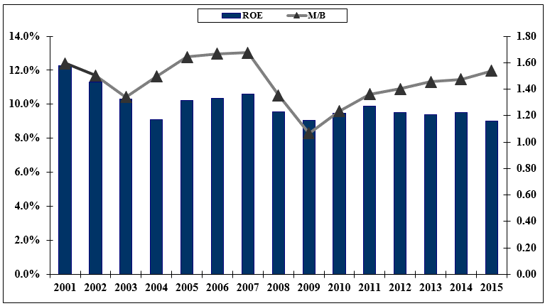

Data Source: Value Line Investment Survey.

Panel B
Gas Proxy Group Return on Equity and Market-to-Book Ratios
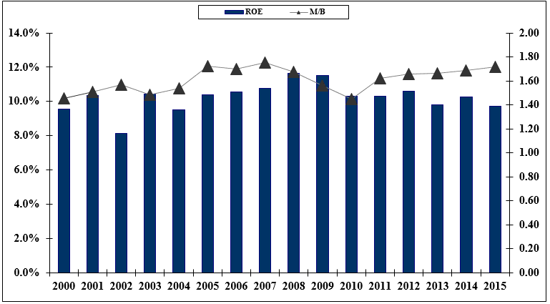

Data Source: Value Line Investment Survey.

JRW-11.2
 | Case No. 2016-00371
 | Exhibit JRW--11
 | CAPM Study
 | Page 2 of 6

Exhibit JRW--11

Thirty-Year U.S. Treasury Yields
2011-2016
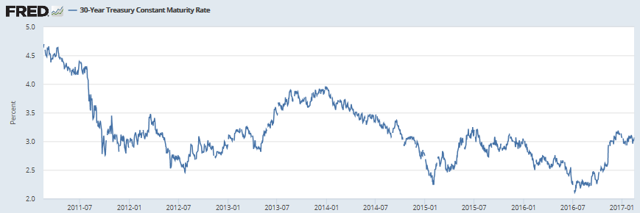

Source: Federal Reserve Bank of St. Louis, FRED Database.

JRW-11.3
 |  | Case No. 2016-00371
 |  | Exhibit JRW--11
 |  | CAPM Study
 |  | Page 3 of 6

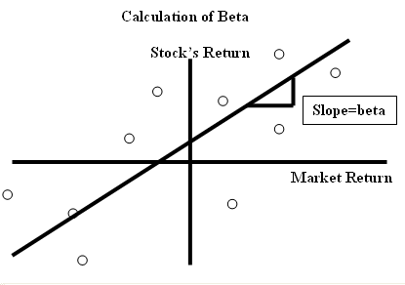

 |  |  | `

Panel A
Electric Proxy Group
Company Name | Beta
ALLETE, Inc. (NYSE-ALE) | 0.75
Alliant Energy Corporation (NYSE-LNT) | 0.70
Ameren Corporation (NYSE-AEE) | 0.65
American Electric Power Co. (NYSE-AEP) | 0.65
Avista Corporation (NYSE-AVA) | 0.70
Black Hills Corporation (NYSE-BKH) | 0.90
CMS Energy Corporation (NYSE-CMS) | 0.65
Consolidated Edison, Inc. (NYSE-ED) | 0.55
Dominion Resources, Inc. (NYSE-D) | 0.70
DTE Energy Company (NYSE-DTE) | 0.65
Duke Energy Corporation (NYSE-DUK) | 0.60
Edison International (NYSE-EIX) | 0.65
El Paso Electric Company (NYSE-EE) | 0.70
Entergy Corporation (NYSE-ETR) | 0.65
Eversource Energy (NYSE-ES) | 0.70
FirstEnergy Corporation (NYSE-FE) | 0.65
Hawaiian Electric Inductries (NYSE-HEC) | 0.70
IDACORP, Inc. (NYSE-IDA) | 0.75
MGE Energy, Inc. (NYSE-MGEE) | 0.70
NorthWestern Corporation (NYSE-NWE) | 0.70
OGE Energy Corp. (NYSE-OGE) | 0.90
Otter Tail Corporation (NDQ-OTTR) | 0.85
PG&E Corporation (NYSE-PCG) | 0.65
Pinnacle West Capital Corp. (NYSE-PNW) | 0.70
PNM Resources, Inc. (NYSE-PNM) | 0.75
Portland General Electric Company (NYSE-POR) | 0.70
PPL Corporation (NYSE-PPL) | 0.70
SCANA Corporation (NYSE-SCG) | 0.65
Southern Company (NYSE-SO) | 0.55
WEC Energy Group (NYSE-WEC) | 0.60
Xcel Energy Inc. (NYSE-XEL) | 0.60
Mean | 0.69
Median | 0.70
Data Source: Value Line Investment Survey, 2017.

Panel B
McKenzie Proxy Group
Company Name | Beta
Alliant Energy Corporation (NYSE-LNT) | 0.70
Ameren Corporation (NYSE-AEE) | 0.70
Avangrid Inc (AGR - NYSE)
Avista Corporation (NYSE-AVA) | 0.70
Black Hills Corporation (NYSE-BKH) | 0.85
CenterPoint Energy (NYSE-CNP) | 0.85
CMS Energy Corporation (NYSE-CMS) | 0.65
Consolidated Edison, Inc. (NYSE-ED) | 0.55
DTE Energy Company (NYSE-DTE) | 0.65
Entergy Corporation (NYSE-ETR) | 0.65
Eversource Energy (NYSE-ES) | 0.70
Exelon Corp. (NYSE-EXC) | 0.70
NorthWestern Corporation (NYSE-NWE) | 0.70
PG&E Corporation (NYSE-PCG) | 0.65
PPL Corporation (NYSE-PPL) | 0.70
Public Service Enterprise Grp. (NYSE-PEG) | 0.70
SCANA Corporation (NYSE-SCG) | 0.65
SEMPRA Energy (NYSE-SRE) | 0.80
Southern Company (NYSE-SO) | 0.55
Vectren Corporation (NYSE-VVC) | 0.75
WEC Energy Group (NYSE-WEC) | 0.60
Xcel Energy Inc. (NYSE-XEL) | 0.60
Mean | 0.69
Median | 0.70
Data Source: Value Line Investment Survey, 2017.

Panel C
Gas Proxy Group
Company | Beta
Atmos Energy Corporation (NYSE-ATO) | 0.70
Chesapeake Utilities Corporation (NYSE-CPK) | 0.65
New Jersey Resources Corp. (NYSE-NJR) | 0.80
NiSource Inc. (NYSE-NI) | nmf
Northwest Natural Gas Co. (NYSE-NWN) | 0.65
South Jersey Industries, Inc. (NYSE-SJI) | 0.80
Southwest Gas Corporation (NYSE-SWX) | 0.75
Spire (NYSE-SR) | 0.70
Mean | 0.72
Median | 0.70
Data Source: Value Line Investment Survey, 2017.

JRW-14.3
 |  |  |  |  |  | Case No. 2016-00371
 |  |  |  |  |  | Exhibit JRW--14
 |  |  |  |  |  | GDP and S&P 500 Growth Rates
 |  |  |  |  |  | Page 3 of 3

Long-Term Growth of GDP, S&P 500, S&P 500 EPS, and S&P 500 DPS
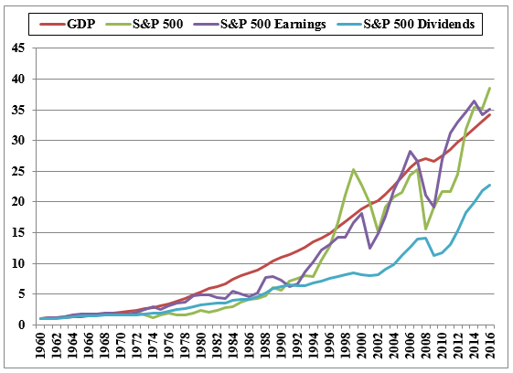

 |  | GDP | S&P 500 | S&P 500 EPS | S&P 500 DPS
 | Growth Rates | 6.51% | 6.74% | 6.56% | 5.74%

