Maint 2
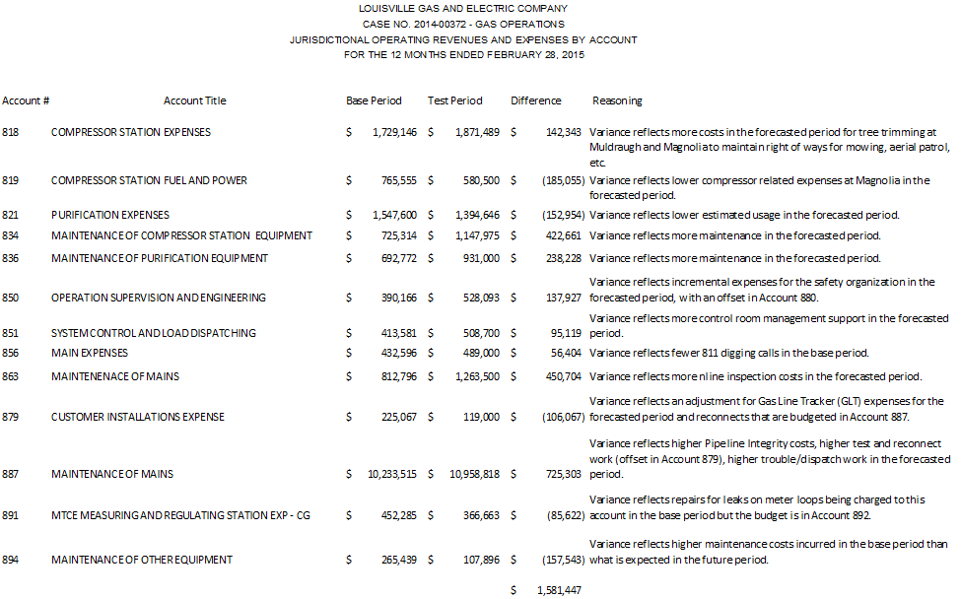
Exhibit AG-3
Sch. FWR-8
Page 3 of 6

Slippage
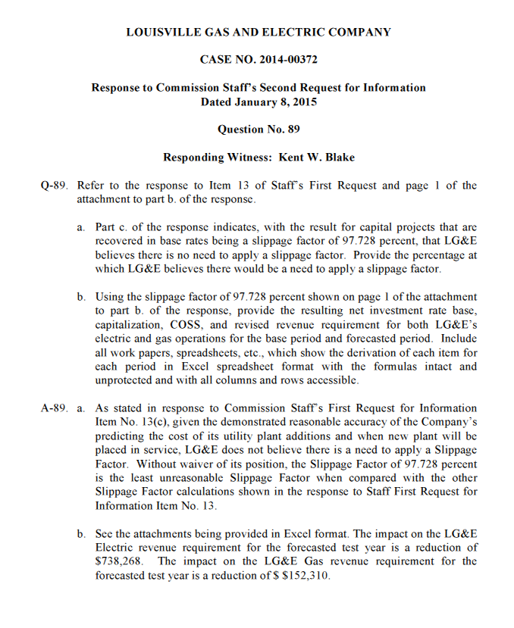
Exhibit AG-3
Sch. FWR - 8
Page 6 of 6

Reduced Revenue Requirement | $152,310
Revenue Conversion Factor | 1.0000
Impact on Operating Income | $152,310

