Process Documentation
Regulatory Accounting & Reporting |  | Last Updated: SLC - 5/31/2013
Journal Entry Process Documentation
J130-0100 - Fuel for Disallowed Trimble Co. - TC2

Purpose: | To charge the appropriate portion of fuel, reactant and handling costs for the current month to be billed to IMPA and IMEA from TC2.

 | Important Note: Trimble County allocations must be posted prior to completing this entry! An email stating with the subject “Trimble County Mass Allocations – MM/YY” stating that the Trimble County GL mass allocations have been posted will be sent by Tom Bush, Corporate Accounting on Day 3. This email is distributed to select individuals. This entry must be completed on Day 3 as Revenue Accounting & Analysis is dependent on the information being recorded prior to Day 4.

Frequency: | Monthly, Due Day 3

Procedures:
1. | Go to acctfinrep:\Monthly Closing\YYYY Journal Entries and Support\MM-Month\LGE \IMEA-IMPA (current year, previous month close folder).

2. | Copy the “J130 - Fuel for Disallowed Trimble County - TC2” file from the previous month close folder and paste it into the current month close folder. Update the file name to reflect the current closing month in the format MMYY (i.e. “J130 - Fuel for Disallowed Trimble County - TC2 - 04.13.xlsm” to “J130 - Fuel for Disallowed Trimble County - TC2 - 05.13.xlsm”).

3. | Open the current month journal entry file and on the “Journal 1” tab update the following:
 | wAccounting Date (cell J11) to the current month close date
 | wGroup ID (cell J12) to your employee ID #
 | wBatch Name (cell J13) to your initials
 | wJournal Name (cell J14) to the current closing month (i.e. “J130-0100-0413” to “J130-0100-0513”).

4. | Obtain the current month IMEA/IMPA Billing Summary from Beth Breuninger, Revenue Accounting & Analysis (“IMEA-IMPA MM.YYYY.xlsx”). Open the file and navigate to the “Summary” tab. Copy the entire billing summary section (range A7:L59) and paste it over the prior month billing summary section located in the current month journal entry file on the “Summary” tab.

5. | Next, obtain the “KWH” excel file provided by Elaine Welsh, Budget & Forecast Generation Operations. Go to the “letter” tab and copy/paste the entire worksheet into the current month journal entry file on the corresponding “letter” tab.

6. | Sign in to EIS and open the query “LKE Trimble County 2 Fuel & Reactant Costs” under ID #E026759. Click on the TC2 tab (Please note that this query has multiple tabs and is also used for journal entries J131-0100 and J088-0110).

7. | When prompted to enter the query parameters on the “Edit Parameter Values” prompt update the period name with the current month period in the format MMM-YYYY (i.e. MAY-2013) and click ok.

8. | Once the query has finished running and the current month data is displayed, go to the page items bar at the top of the query and select company 0100. This will display the current month data for LG&E (the example below was run for April 2013 instead of May 2013, as May data had was not yet available). Export this data to excel and copy/paste it into the “LGE TC2 Costs” tab on the appropriate rows to ensure proper linking.

9. | The “TC 2 Fuel and Reactant Costs” tab will be automatically populated once the aforementioned supporting documentation (IMEA/IMPA Billing Summary, KWH letter and Fuel and Reactant Costs data) has been updated and will flow to the “Journal Summary” and “Journal 1” tabs. Review all tabs to ensure links are properly updated.

10. | Print all tabs and tie out. Refer to previous month JE to view tie-out and support information. Note that past JEs can be found through Oracle IPM.

11. | Once all numbers have been correctly tied-out, go to the “Journal 1” tab within the excel file. Flag, in column B, all rows that have a debit or credit amount by clicking on the cell, hitting the space bar and enter.

12. | Log-in to Oracle ADI, click on the Ledger icon and select “Upload to Interface.”
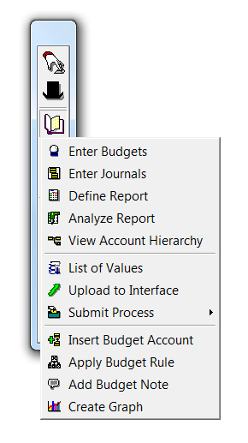

13. | Once the upload is successfully completed, write down Upload ID on JE face page, sign and date the JE, and give to reviewer.

14. | Sign off on the two journal entry checklists located at:
 | Acctpolicies:\Journal Entry Procedures\Journal Entry Checklist\[current year]\[current month close]
 | Acctfinrep:\Monthly Closing\[current year] Journal Entries and Support\[current month close]

