JRW-14.1
 |  |  |  |  |  |  | Exhibit JRW-14
 |  |  |  |  |  |  | GDP and S&P 500 Growth Rates
 |  |  |  |  |  |  | Page 1 of 3

 | Growth Rates
 | GDP, S&P 500 Price, EPS, and DPS
 |  | GDP | S&P 500 | Earnings | Dividends
 | 1960 | 543.3 | 58.11 | 3.10 | 1.98 |  | 1960 | 1 | 1 | 1 | 1
1 | 1961 | 563.3 | 71.55 | 3.37 | 2.04 |  | 1961 | 1.04 | 1.23 | 1.09 | 1.03
2 | 1962 | 605.1 | 63.10 | 3.67 | 2.15 |  | 1962 | 1.11 | 1.09 | 1.18 | 1.09
3 | 1963 | 638.6 | 75.02 | 4.13 | 2.35 |  | 1963 | 1.18 | 1.29 | 1.33 | 1.19
4 | 1964 | 685.8 | 84.75 | 4.76 | 2.58 |  | 1964 | 1.26 | 1.46 | 1.54 | 1.30
5 | 1965 | 743.7 | 92.43 | 5.30 | 2.83 |  | 1965 | 1.37 | 1.59 | 1.71 | 1.43
6 | 1966 | 815.1 | 80.33 | 5.41 | 2.88 |  | 1966 | 1.50 | 1.38 | 1.75 | 1.45
7 | 1967 | 861.7 | 96.47 | 5.46 | 2.98 |  | 1967 | 1.59 | 1.66 | 1.76 | 1.51
8 | 1968 | 942.5 | 103.86 | 5.72 | 3.04 |  | 1968 | 1.73 | 1.79 | 1.85 | 1.54
9 | 1969 | 1019.9 | 92.06 | 6.10 | 3.24 |  | 1969 | 1.88 | 1.58 | 1.97 | 1.64
10 | 1970 | 1075.9 | 92.15 | 5.51 | 3.19 |  | 1970 | 1.98 | 1.59 | 1.78 | 1.61
11 | 1971 | 1167.8 | 102.09 | 5.57 | 3.16 |  | 1971 | 2.15 | 1.76 | 1.80 | 1.60
12 | 1972 | 1282.4 | 118.05 | 6.17 | 3.19 |  | 1972 | 2.36 | 2.03 | 1.99 | 1.61
13 | 1973 | 1428.6 | 97.55 | 7.96 | 3.61 |  | 1973 | 2.63 | 1.68 | 2.57 | 1.82
14 | 1974 | 1548.8 | 68.56 | 9.35 | 3.72 |  | 1974 | 2.85 | 1.18 | 3.02 | 1.88
15 | 1975 | 1688.9 | 90.19 | 7.71 | 3.73 |  | 1975 | 3.11 | 1.55 | 2.49 | 1.88
16 | 1976 | 1877.6 | 107.46 | 9.75 | 4.22 |  | 1976 | 3.46 | 1.85 | 3.15 | 2.13
17 | 1977 | 2086.0 | 95.10 | 10.87 | 4.86 |  | 1977 | 3.84 | 1.64 | 3.51 | 2.45
18 | 1978 | 2356.6 | 96.11 | 11.64 | 5.18 |  | 1978 | 4.34 | 1.65 | 3.75 | 2.62
19 | 1979 | 2632.2 | 107.94 | 14.55 | 5.97 |  | 1979 | 4.84 | 1.86 | 4.69 | 3.02
20 | 1980 | 2862.5 | 135.76 | 14.99 | 6.44 |  | 1980 | 5.27 | 2.34 | 4.84 | 3.25
21 | 1981 | 3211.0 | 122.55 | 15.18 | 6.83 |  | 1981 | 5.91 | 2.11 | 4.90 | 3.45
22 | 1982 | 3345.0 | 140.64 | 13.82 | 6.93 |  | 1982 | 6.16 | 2.42 | 4.46 | 3.50
23 | 1983 | 3638.1 | 164.93 | 13.29 | 7.12 |  | 1983 | 6.70 | 2.84 | 4.29 | 3.60
24 | 1984 | 4040.7 | 167.24 | 16.84 | 7.83 |  | 1984 | 7.44 | 2.88 | 5.43 | 3.95
25 | 1985 | 4346.8 | 211.28 | 15.68 | 8.20 |  | 1985 | 8.00 | 3.64 | 5.06 | 4.14
26 | 1986 | 4590.1 | 242.17 | 14.43 | 8.19 |  | 1986 | 8.45 | 4.17 | 4.65 | 4.14
27 | 1987 | 4870.2 | 247.08 | 16.04 | 9.17 |  | 1987 | 8.96 | 4.25 | 5.17 | 4.63
28 | 1988 | 5252.6 | 277.72 | 24.12 | 10.22 |  | 1988 | 9.67 | 4.78 | 7.78 | 5.16
29 | 1989 | 5657.7 | 353.40 | 24.32 | 11.73 |  | 1989 | 10.41 | 6.08 | 7.85 | 5.92
30 | 1990 | 5979.6 | 330.22 | 22.65 | 12.35 |  | 1990 | 11.01 | 5.68 | 7.31 | 6.24
31 | 1991 | 6174.1 | 417.09 | 19.30 | 12.97 |  | 1991 | 11.36 | 7.18 | 6.23 | 6.55
32 | 1992 | 6539.3 | 435.71 | 20.87 | 12.64 |  | 1992 | 12.04 | 7.50 | 6.73 | 6.38
33 | 1993 | 6878.7 | 466.45 | 26.90 | 12.69 |  | 1993 | 12.66 | 8.03 | 8.68 | 6.41
34 | 1994 | 7308.8 | 459.27 | 31.75 | 13.36 |  | 1994 | 13.45 | 7.90 | 10.24 | 6.75
35 | 1995 | 7664.1 | 615.93 | 37.70 | 14.17 |  | 1995 | 14.11 | 10.60 | 12.16 | 7.16
36 | 1996 | 8100.2 | 740.74 | 40.63 | 14.89 |  | 1996 | 14.91 | 12.75 | 13.11 | 7.52
37 | 1997 | 8608.5 | 970.43 | 44.09 | 15.52 |  | 1997 | 15.84 | 16.70 | 14.22 | 7.84
38 | 1998 | 9089.2 | 1229.23 | 44.27 | 16.20 |  | 1998 | 16.73 | 21.15 | 14.28 | 8.18
39 | 1999 | 9660.6 | 1469.25 | 51.68 | 16.71 |  | 1999 | 17.78 | 25.28 | 16.67 | 8.44
40 | 2000 | 10284.8 | 1320.28 | 56.13 | 16.27 |  | 2000 | 18.93 | 22.72 | 18.11 | 8.22
41 | 2001 | 10621.8 | 1148.09 | 38.85 | 15.74 |  | 2001 | 19.55 | 19.76 | 12.53 | 7.95
42 | 2002 | 10977.5 | 879.82 | 46.04 | 16.08 |  | 2002 | 20.21 | 15.14 | 14.85 | 8.12
43 | 2003 | 11510.7 | 1111.91 | 54.69 | 17.88 |  | 2003 | 21.19 | 19.13 | 17.64 | 9.03
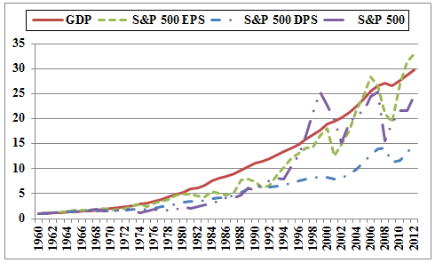
44 | 2004 | 12274.9 | 1211.92 | 67.68 | 19.41 |  | 2004 | 22.59 | 20.86 | 21.83 | 9.80
45 | 2005 | 13093.7 | 1248.29 | 76.45 | 22.38 |  | 2005 | 24.10 | 21.48 | 24.66 | 11.30
46 | 2006 | 13855.9 | 1418.30 | 87.72 | 25.05 |  | 2006 | 25.50 | 24.41 | 28.30 | 12.65
47 | 2007 | 14477.6 | 1468.36 | 82.54 | 27.73 |  | 2007 | 26.65 | 25.27 | 26.63 | 14.01
48 | 2008 | 14718.6 | 903.25 | 65.39 | 28.05 |  | 2008 | 27.09 | 15.54 | 21.09 | 14.17
49 | 2009 | 14418.7 | 1115.10 | 59.65 | 22.31 |  | 2009 | 26.54 | 19.19 | 19.24 | 11.27
50 | 2010 | 14964.4 | 1257.64 | 83.66 | 23.12 |  | 2010 | 27.54 | 21.64 | 26.99 | 11.68
51 | 2011 | 15517.9 | 1257.60 | 97.05 | 26.02 | Average | 2011 | 28.56 | 21.64 | 31.31 | 13.14
52 | 2012 | 16163.2 | 1426.19 | 102.47 | 30.44 |  | 2012 | 29.75 | 24.54 | 33.05 | 15.37
 | 2013 | 16768.1 | 1848.36 | 107.45 | 36.28 |  | 2013 | 30.86 | 31.81 | 34.66 | 18.32
 | 2014 | 17420.7 | 2058.90 | 114.74 | 38.57 |  | 2014 | 32.06 | 35.43 | 37.01 | 19.48
 | Growth Rates | 6.63 | 6.83 | 6.92 | 5.65 | 6.51
 | Data Sources: GDPA -http://research.stlouisfed.org/fred2/series/GDPA/downloaddata
 | S&P 500, EPS and DPS - http://pages.stern.nyu.edu/~adamodar/

 |  | 3.56%
 |  | 4.44%
 |  | 4.99%
 |  | 6.24%
 |  | 6.68%

JRW-14.2
 |  |  |  |  |  | Exhibit JRW-14
 |  |  |  |  |  | GDP and S&P 500 Growth Rates
 |  |  |  |  |  | Page 2 of 3

Long-Term Growth of GDP, S&P 500, S&P 500 EPS, and S&P 500 DPS
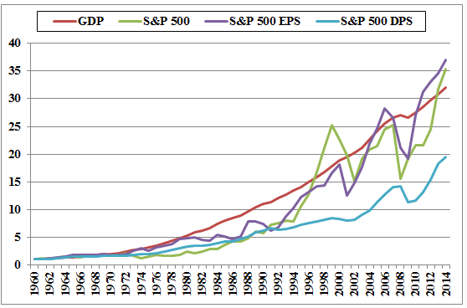

 |  | GDP | S&P 500 | S&P 500 EPS | S&P 500 DPS
 | Growth Rates | 6.63% | 6.83% | 6.92% | 5.65%

