Tariff CC
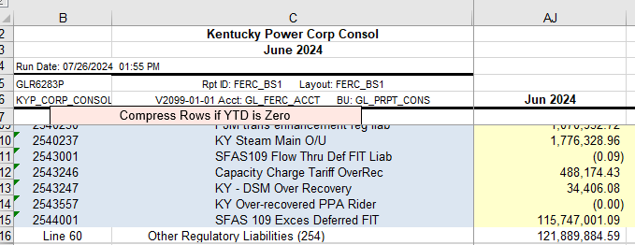

Final (over)/Under recovery balance | $(488,174.43)

