JRW-14.1
 |  |  |  |  |  | Exhibit JRW-14
 |  |  |  |  |  | GDP and S&P 500 Growth Rates
 |  |  |  |  |  | Page 1 of 3

 | Growth Rates
 | GDP, S&P 500 Price, EPS, and DPS
 |  | GDP | S&P 500 | S&P 500 Earnings | S&P 500 Dividends
 | 1960 | 535.1 | 58.11 | 3.10 | 1.98 |  | 1960 | 1 | 1 | 1 | 1
1 | 1961 | 547.6 | 71.55 | 3.37 | 2.04 |  | 1961 | 1.02 | 1.23 | 1.09 | 1.03
2 | 1962 | 586.9 | 63.10 | 3.67 | 2.15 |  | 1962 | 1.10 | 1.09 | 1.18 | 1.08
3 | 1963 | 619.3 | 75.02 | 4.13 | 2.35 |  | 1963 | 1.16 | 1.29 | 1.33 | 1.18
4 | 1964 | 662.9 | 84.75 | 4.76 | 2.58 |  | 1964 | 1.24 | 1.46 | 1.53 | 1.30
5 | 1965 | 710.7 | 92.43 | 5.30 | 2.83 |  | 1965 | 1.33 | 1.59 | 1.71 | 1.43
6 | 1966 | 781.9 | 80.33 | 5.41 | 2.88 |  | 1966 | 1.46 | 1.38 | 1.74 | 1.46
7 | 1967 | 838.2 | 96.47 | 5.46 | 2.98 |  | 1967 | 1.57 | 1.66 | 1.76 | 1.50
8 | 1968 | 899.3 | 103.86 | 5.72 | 3.04 |  | 1968 | 1.68 | 1.79 | 1.84 | 1.54
9 | 1969 | 982.3 | 92.06 | 6.10 | 3.24 |  | 1969 | 1.84 | 1.58 | 1.97 | 1.64
10 | 1970 | 1049.1 | 92.15 | 5.51 | 3.19 |  | 1970 | 1.96 | 1.59 | 1.78 | 1.61
11 | 1971 | 1119.3 | 102.09 | 5.57 | 3.16 |  | 1971 | 2.09 | 1.76 | 1.80 | 1.60
12 | 1972 | 1219.5 | 118.05 | 6.17 | 3.19 |  | 1972 | 2.28 | 2.03 | 1.99 | 1.61
13 | 1973 | 1356.0 | 97.55 | 7.96 | 3.61 |  | 1973 | 2.53 | 1.68 | 2.57 | 1.82
14 | 1974 | 1486.2 | 68.56 | 9.35 | 3.72 |  | 1974 | 2.78 | 1.18 | 3.01 | 1.88
15 | 1975 | 1610.6 | 90.19 | 7.71 | 3.73 |  | 1975 | 3.01 | 1.55 | 2.49 | 1.88
16 | 1976 | 1790.3 | 107.46 | 9.75 | 4.22 |  | 1976 | 3.35 | 1.85 | 3.14 | 2.13
17 | 1977 | 2028.4 | 95.10 | 10.87 | 4.86 |  | 1977 | 3.79 | 1.64 | 3.50 | 2.45
18 | 1978 | 2278.2 | 96.11 | 11.64 | 5.18 |  | 1978 | 4.26 | 1.65 | 3.75 | 2.61
19 | 1979 | 2570.0 | 107.94 | 14.55 | 5.97 |  | 1979 | 4.80 | 1.86 | 4.69 | 3.01
20 | 1980 | 2796.8 | 135.76 | 14.99 | 6.44 |  | 1980 | 5.23 | 2.34 | 4.83 | 3.25
21 | 1981 | 3138.4 | 122.55 | 15.18 | 6.83 |  | 1981 | 5.87 | 2.11 | 4.89 | 3.44
22 | 1982 | 3313.9 | 140.64 | 13.82 | 6.93 |  | 1982 | 6.19 | 2.42 | 4.46 | 3.50
23 | 1983 | 3541.1 | 164.93 | 13.29 | 7.12 |  | 1983 | 6.62 | 2.84 | 4.28 | 3.60
24 | 1984 | 3952.8 | 167.24 | 16.84 | 7.83 |  | 1984 | 7.39 | 2.88 | 5.43 | 3.95
25 | 1985 | 4270.4 | 211.28 | 15.68 | 8.20 |  | 1985 | 7.98 | 3.64 | 5.05 | 4.14
26 | 1986 | 4536.1 | 242.17 | 14.43 | 8.19 |  | 1986 | 8.48 | 4.17 | 4.65 | 4.13
27 | 1987 | 4781.9 | 247.08 | 16.04 | 9.17 |  | 1987 | 8.94 | 4.25 | 5.17 | 4.63
28 | 1988 | 5155.1 | 277.72 | 24.12 | 10.22 |  | 1988 | 9.63 | 4.78 | 7.77 | 5.16
29 | 1989 | 5570.0 | 353.40 | 24.32 | 11.73 |  | 1989 | 10.41 | 6.08 | 7.84 | 5.92
30 | 1990 | 5914.6 | 330.22 | 22.65 | 12.35 |  | 1990 | 11.05 | 5.68 | 7.30 | 6.23
31 | 1991 | 6110.1 | 417.09 | 19.30 | 12.97 |  | 1991 | 11.42 | 7.18 | 6.22 | 6.55
32 | 1992 | 6434.7 | 435.71 | 20.87 | 12.64 |  | 1992 | 12.03 | 7.50 | 6.73 | 6.38
33 | 1993 | 6794.9 | 466.45 | 26.90 | 12.69 |  | 1993 | 12.70 | 8.03 | 8.67 | 6.40
34 | 1994 | 7197.8 | 459.27 | 31.75 | 13.36 |  | 1994 | 13.45 | 7.90 | 10.23 | 6.74
35 | 1995 | 7583.4 | 615.93 | 37.70 | 14.17 |  | 1995 | 14.17 | 10.60 | 12.15 | 7.15
36 | 1996 | 7978.3 | 740.74 | 40.63 | 14.89 |  | 1996 | 14.91 | 12.75 | 13.09 | 7.51
37 | 1997 | 8483.2 | 970.43 | 44.09 | 15.52 |  | 1997 | 15.85 | 16.70 | 14.21 | 7.83
38 | 1998 | 8954.8 | 1229.23 | 44.27 | 16.20 |  | 1998 | 16.73 | 21.15 | 14.27 | 8.18
39 | 1999 | 9510.5 | 1469.25 | 51.68 | 16.71 |  | 1999 | 17.77 | 25.28 | 16.65 | 8.43
40 | 2000 | 10148.2 | 1320.28 | 56.13 | 16.27 |  | 2000 | 18.97 | 22.72 | 18.09 | 8.21
41 | 2001 | 10564.6 | 1148.09 | 38.85 | 15.74 |  | 2001 | 19.74 | 19.76 | 12.52 | 7.94
42 | 2002 | 10876.9 | 879.82 | 46.04 | 16.08 |  | 2002 | 20.33 | 15.14 | 14.84 | 8.11
43 | 2003 | 11332.4 | 1111.91 | 54.69 | 17.88 |  | 2003 | 21.18 | 19.13 | 17.62 | 9.02
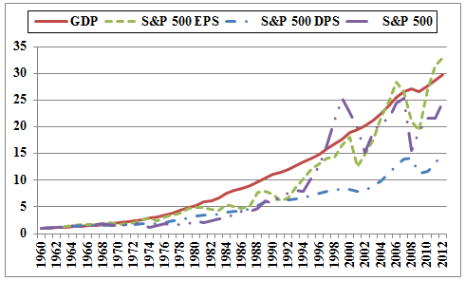
44 | 2004 | 12088.6 | 1211.92 | 67.68 | 19.41 |  | 2004 | 22.59 | 20.86 | 21.81 | 9.79
45 | 2005 | 12888.9 | 1248.29 | 76.45 | 22.38 |  | 2005 | 24.09 | 21.48 | 24.64 | 11.29
46 | 2006 | 13684.7 | 1418.30 | 87.72 | 25.05 |  | 2006 | 25.57 | 24.41 | 28.27 | 12.64
47 | 2007 | 14322.9 | 1468.36 | 82.54 | 27.73 |  | 2007 | 26.77 | 25.27 | 26.60 | 13.99
48 | 2008 | 14752.4 | 903.25 | 65.39 | 28.05 |  | 2008 | 27.57 | 15.54 | 21.07 | 14.16
49 | 2009 | 14414.6 | 1115.10 | 59.65 | 22.31 |  | 2009 | 26.94 | 19.19 | 19.22 | 11.26
50 | 2010 | 14798.5 | 1257.64 | 83.66 | 23.12 |  | 2010 | 27.66 | 21.64 | 26.96 | 11.67
51 | 2011 | 15379.2 | 1257.60 | 97.05 | 26.02 | Average | 2011 | 28.74 | 21.64 | 31.28 | 13.13
52 | 2012 | 16027.2 | 1426.19 | 102.47 | 30.44 |  | 2012 | 29.95 | 24.54 | 33.02 | 15.36
 | 2013 | 16498.1 | 1848.36 | 107.45 | 36.28 |  | 2013 | 30.83 | 31.81 | 34.63 | 18.31
 | 2014 | 17183.5 | 2058.90 | 113.01 | 39.44 |  | 2014 | 32.11 | 35.43 | 36.42 | 19.90
 | 2015 | 17803.4 | 2043.94 | 106.32 | 43.16 |  | 2015 | 33.27 | 35.17 | 34.26 | 21.78
 | Growth Rates | 6.58 | 6.69 | 6.64 | 5.76 | 6.42
 | Data Sources: GDPA -http://research.stlouisfed.org/fred2/series/GDPA/downloaddata
 | S&P 500, EPS and DPS - http://pages.stern.nyu.edu/~adamodar/

 |  | 3.28%
 |  | 4.36%
 |  | 4.87%
 |  | 6.19%
 |  | 6.65%

JRW-14.2
 |  |  |  |  |  | Exhibit JRW-14
 |  |  |  |  |  | GDP and S&P 500 Growth Rates
 |  |  |  |  |  | Page 2 of 3

Long-Term Growth of GDP, S&P 500, S&P 500 EPS, and S&P 500 DPS
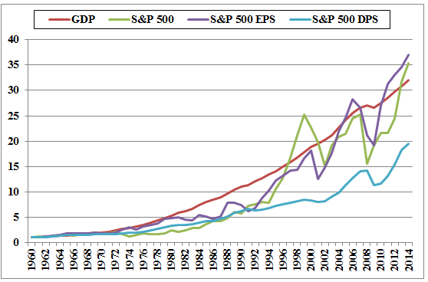

 |  | GDP | S&P 500 | S&P 500 EPS | S&P 500 DPS
 | Growth Rates | 6.58% | 6.69% | 6.64% | 5.76%

