Sheet1
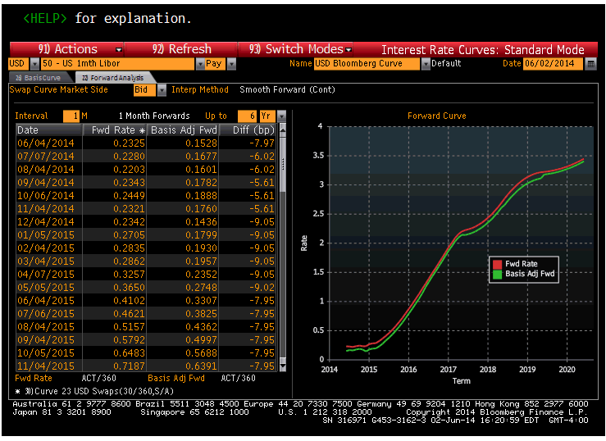
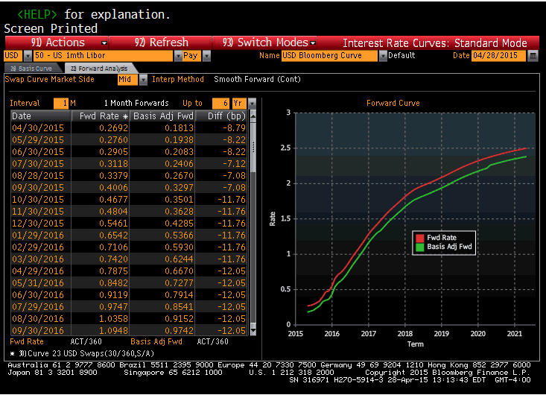
Source: | Bloomberg

Date | Fwd Rate | Source Date
10/05/2015 | 0.6483 | 2014-06-02
11/04/2015 | 0.7187 | 2014-06-02
12/04/2015 | 0.7961 | 2014-06-02
01/29/2016 | 0.6542 | 2015-04-28
02/29/2016 | 0.7106 | 2015-04-28
03/30/2016 | 0.742 | 2015-04-28
04/29/2016 | 0.7875 | 2015-04-28
05/31/2016 | 0.8482 | 2015-04-28
06/30/2016 | 0.9119 | 2015-04-28
07/29/2016 | 0.9747 | 2015-04-28
08/30/2016 | 1.0358 | 2015-04-28
09/30/2016 | 1.0948 | 2015-04-28
10/31/2016 | 1.1559 | 2015-04-28
11/30/2016 | 1.2193 | 2015-04-28
12/30/2016 | 1.2831 | 2015-04-28
01/30/2017 | 1.3383 | 2015-04-28
02/28/2017 | 1.3835 | 2015-04-28
03/30/2017 | 1.4285 | 2015-04-28
04/28/2017 | 1.4753 | 2015-04-28
05/30/2017 | 1.5254 | 2015-04-28
06/30/2017 | 1.5744 | 2015-04-28
07/31/2017 | 1.6196 | 2015-04-28
08/30/2017 | 1.6586 | 2015-04-28
09/29/2017 | 1.6968 | 2015-04-28
10/30/2017 | 1.7363 | 2015-04-28
11/30/2017 | 1.7753 | 2015-04-28
12/29/2017 | 1.8139 | 2015-04-28

