Slippage
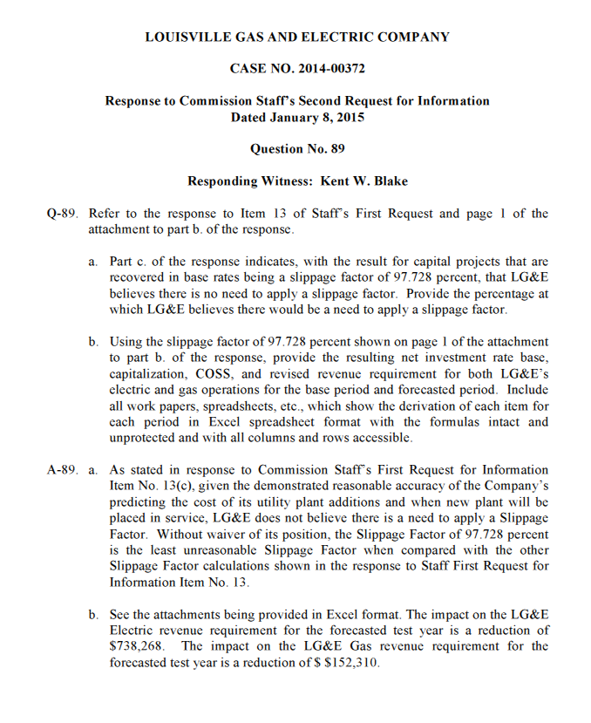
Exhibit A-3
Sch. FWR - 4
Page 6 of 6

Reduced Revenue Requirement | $738,268
Revenue Conversion Factor | 1.0000
Impact on Operating Income | $738,268

