Slippage
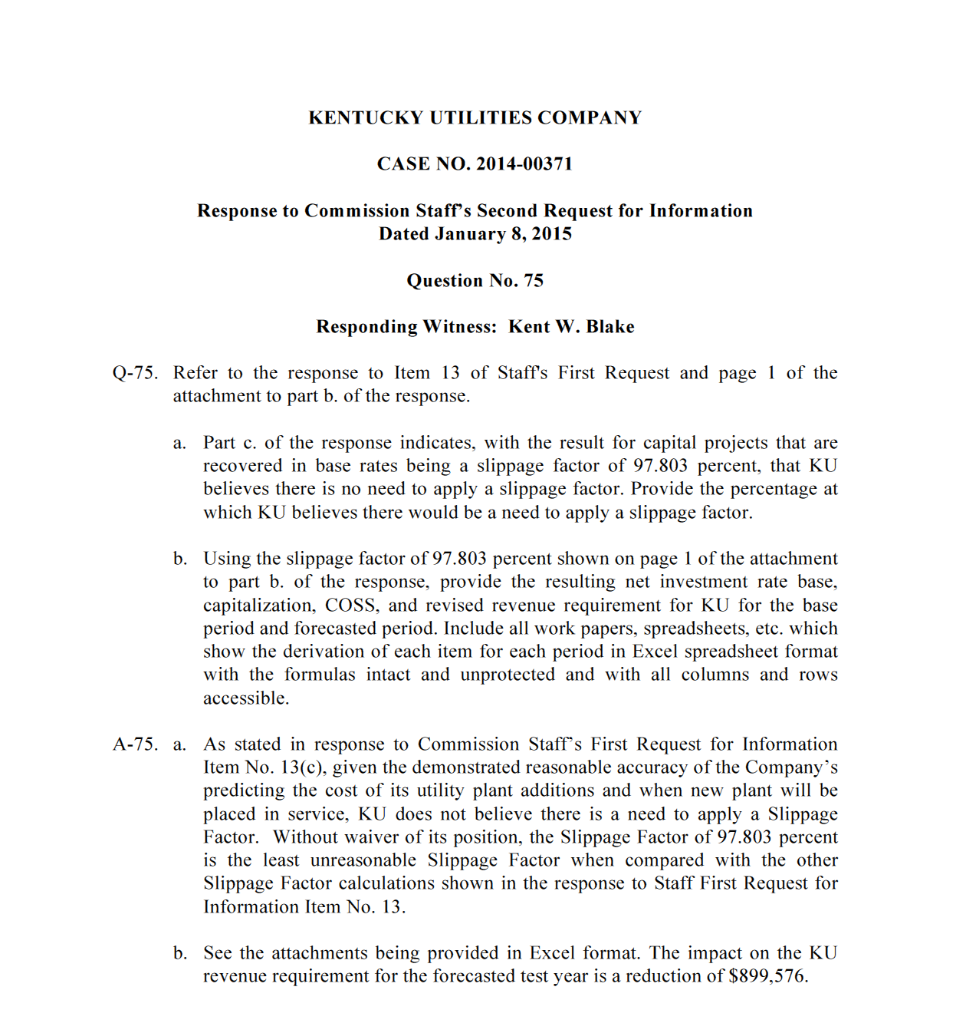
Exhibit (AG-3)
Sch. FWR - 4
Page 6 of 6

Reduced Revenue Requirement | $899,576
Revenue Conversion Factor | 1.0000
Impact on Operating Income | $899,576

